1 uM active
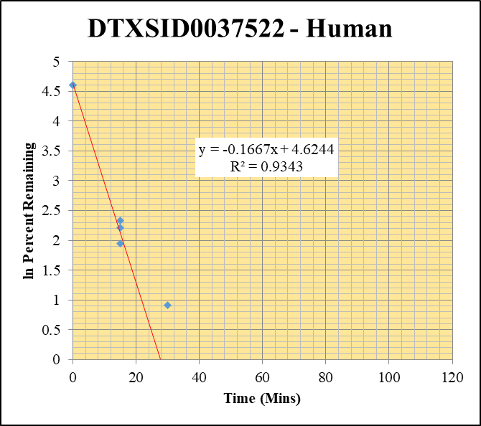
SampleName | CompoundName | Transition | Area | ISTD Area | ISTDResponseRatio | % Remaining | Time (mins) | ln % Remaining | Chart | Table
Blank_Human___1_____5P1_Inj 2020Sep4_EPA_003 | DTXSID0037522 | 393.9 / 208.0 | 2.875 | 1641000 | 0.000001751 |  |  |  | DTXSID0037522 - Human | Time (Mins) | % Remaining Replica 1 | % Remaining Replica 2 | % Remaining Replica 3 | Average
Blank_Human___2_____5P1_Inj 2020Sep4_EPA_004 | DTXSID0037522 | 393.9 / 208.0 | 6.835 | 1692000 | 0.00000404 |  |  |  | Time (Mins) | 120 | 0.05% | 0.14% | 0.07%
Blank_Human___3_____5P1_Inj 2020Sep4_EPA_005 | DTXSID0037522 | 393.9 / 208.0 | 1.496 | 1672000 | 8.947E-07 |  |  |  | ln Percent Remaining | 60 | 0.15% | 0.19% | 0.12%
DTXSID0037522_Human__120_1_____5P1_Inj 2020Sep4_EPA_166 | DTXSID0037522 | 393.9 / 208.0 | 91.42 | 1253000 | 0.00007298 | 0.054383278479 | 120 | -2.912 |  | 30 | 0.324% | 0.381% | 2.48% | 1.06%
DTXSID0037522_Human__120_2_____5P1_Inj 2020Sep4_EPA_167 | DTXSID0037522 | 393.9 / 208.0 | 145.2 | 1168000 | 0.0001243 | 0.13935449651 | 120 | -1.971 |  | 15 | 7.01% | 10.2% | 9.15% | 8.80%
DTXSID0037522_Human__120_3_____5P1_Inj 2020Sep4_EPA_168 | DTXSID0037522 | 393.9 / 208.0 | 88.8 | 1229000 | 0.00007225 | 0.070580592953 | 120 | -2.651 |  | 0 | 100% | 100% | 100% | 100%
DTXSID0037522_Human__60_1_____5P2_Inj 2020Sep4_EPA_169 | DTXSID0037522 | 393.9 / 208.0 | 264.7 | 1331000 | 0.0001988 | 0.15109515802 | 60 | -1.890
DTXSID0037522_Human__60_2_____5P2_Inj 2020Sep4_EPA_170 | DTXSID0037522 | 393.9 / 208.0 | 231.2 | 1392000 | 0.0001661 | 0.18707260545 | 60 | -1.676 |  | Slope | -0.1667
DTXSID0037522_Human__60_3_____5P2_Inj 2020Sep4_EPA_171 | DTXSID0037522 | 393.9 / 208.0 | 206.5 | 1678000 | 0.000123 | 0.12173585959 | 60 | -2.106 |  | Intercept | 4.62
DTXSID0037522_Human__30_1_____5P3_Inj 2020Sep4_EPA_172 | DTXSID0037522 | 393.9 / 208.0 | 550.3 | 1297000 | 0.0004241 | 0.32427260566 | 30 | -1.1261707415 |  | R2 | 0.934
DTXSID0037522_Human__30_2_____5P3_Inj 2020Sep4_EPA_173 | DTXSID0037522 | 393.9 / 208.0 | 420.8 | 1254000 | 0.0003357 | 0.38068483693 | 30 | -0.96578344584 |  | T½ (mins) | 4.2
DTXSID0037522_Human__30_3_____5P3_Inj 2020Sep4_EPA_174 | DTXSID0037522 | 393.9 / 208.0 | 3231 | 1314000 | 0.002458 | 2.4753821176 | 30 | 0.90639477505 |  | CLint (µl/min/106 cells) | 333
DTXSID0037522_Human__15_1_____5P4_Inj 2020Sep4_EPA_175 | DTXSID0037522 | 393.9 / 208.0 | 11610 | 1273000 | 0.009117 | 7.0060934426 | 15 | 1.9467802622 |  | Comments | Points Deleted: (120,-2.9120) (120,-1.9710) (120,-2.6510) (60,-1.8900) (60,-1.6760) (60,-2.1060)
DTXSID0037522_Human__15_2_____5P4_Inj 2020Sep4_EPA_176 | DTXSID0037522 | 393.9 / 208.0 | 12290 | 1369000 | 0.008981 | 10.249999842 | 15 | 2.3272776901
DTXSID0037522_Human__15_3_____5P4_Inj 2020Sep4_EPA_177 | DTXSID0037522 | 393.9 / 208.0 | 12450 | 1371000 | 0.009079 | 9.1492544406 | 15 | 2.2136723941
DTXSID0037522_Human__0_1_____5P5_Inj 2020Sep4_EPA_178 | DTXSID0037522 | 393.9 / 208.0 | 147100 | 1131000 | 0.1301 | 100 | 0 | 4.605170186
DTXSID0037522_Human__0_2_____5P5_Inj 2020Sep4_EPA_179 | DTXSID0037522 | 393.9 / 208.0 | 99580 | 1137000 | 0.0876 | 100 | 0 | 4.605170186
DTXSID0037522_Human__0_3_____5P5_Inj 2020Sep4_EPA_180 | DTXSID0037522 | 393.9 / 208.0 | 116800 | 1178000 | 0.09921 | 100 | 0 | 4.605170186

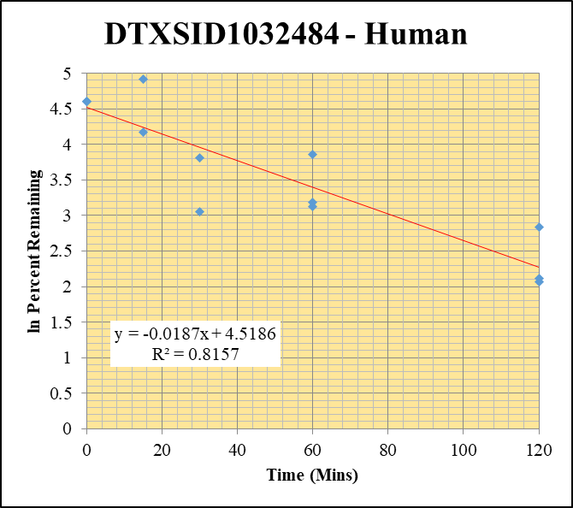
Blank_Human___1_____5P1_Inj 2020Sep4_EPA_003 | DTXSID1032484 | 467.0 / 404.9 | 90.06 | 1641000 | 0.00005486 |  |  |  | DTXSID1032484 - Human | Time (Mins) | % Remaining Replica 1 | % Remaining Replica 2 | % Remaining Replica 3 | Average
Blank_Human___2_____5P1_Inj 2020Sep4_EPA_004 | DTXSID1032484 | 467.0 / 404.9 | 116.2 | 1692000 | 0.00006867 |  |  |  | Time (Mins) | 120 | 8.28% | 17.0% | 7.94% | 11.1%
Blank_Human___3_____5P1_Inj 2020Sep4_EPA_005 | DTXSID1032484 | 467.0 / 404.9 | 8.825 | 1672000 | 0.000005278 |  |  |  | ln Percent Remaining | 60 | 24.2% | 47.3% | 22.6% | 31.4%
DTXSID1032484_Human__120_1_____5P1_Inj 2020Sep4_EPA_038 | DTXSID1032484 | 467.0 / 404.9 | 33080 | 997100 | 0.03317 | 8.2785153582 | 120 | 2.1136636478 |  | 30 | 11.91% | 44.9% | 21.3% | 33.1%
DTXSID1032484_Human__120_2_____5P1_Inj 2020Sep4_EPA_039 | DTXSID1032484 | 467.0 / 404.9 | 33250 | 960900 | 0.03461 | 16.973172116 | 120 | 2.8316339867 |  | 15 | 65.0% | 137% | 18.24% | 101.0%
DTXSID1032484_Human__120_3_____5P1_Inj 2020Sep4_EPA_040 | DTXSID1032484 | 467.0 / 404.9 | 33570 | 1143000 | 0.02937 | 7.9378815179 | 120 | 2.0716464283 |  | 0 | 100% | 100% | 100% | 100%
DTXSID1032484_Human__60_1_____5P2_Inj 2020Sep4_EPA_041 | DTXSID1032484 | 467.0 / 404.9 | 110200 | 1136000 | 0.09703 | 24.237249002 | 60 | 3.1878906647
DTXSID1032484_Human__60_2_____5P2_Inj 2020Sep4_EPA_042 | DTXSID1032484 | 467.0 / 404.9 | 110300 | 1145000 | 0.09637 | 47.298660851 | 60 | 3.8564819833 |  | Slope | -0.0187
DTXSID1032484_Human__60_3_____5P2_Inj 2020Sep4_EPA_043 | DTXSID1032484 | 467.0 / 404.9 | 86910 | 1039000 | 0.08362 | 22.621590475 | 60 | 3.118904781 |  | Intercept | 4.52
DTXSID1032484_Human__30_1_____5P3_Inj 2020Sep4_EPA_044 | DTXSID1032484 | 467.0 / 404.9 | 73590 | 1543000 | 0.0477 | 11.909589581 | 30 | 2.477 |  | R2 | 0.816
DTXSID1032484_Human__30_2_____5P3_Inj 2020Sep4_EPA_045 | DTXSID1032484 | 467.0 / 404.9 | 99190 | 1083000 | 0.09158 | 44.946667796 | 30 | 3.8054766268 |  | T½ (mins) | 37.0
DTXSID1032484_Human__30_3_____5P3_Inj 2020Sep4_EPA_046 | DTXSID1032484 | 467.0 / 404.9 | 90530 | 1152000 | 0.07858 | 21.257426546 | 30 | 3.0567063188 |  | CLint (µl/min/106 cells) | 37.4
DTXSID1032484_Human__15_1_____5P4_Inj 2020Sep4_EPA_047 | DTXSID1032484 | 467.0 / 404.9 | 304000 | 1168000 | 0.2603 | 65.038727893 | 15 | 4.1749829062 |  | Comments | Points Deleted: (30,2.4770) (15,2.9040)
DTXSID1032484_Human__15_2_____5P4_Inj 2020Sep4_EPA_048 | DTXSID1032484 | 467.0 / 404.9 | 319000 | 1143000 | 0.279 | 136.97392004 | 15 | 4.919790543
DTXSID1032484_Human__15_3_____5P4_Inj 2020Sep4_EPA_049 | DTXSID1032484 | 467.0 / 404.9 | 92160 | 1367000 | 0.06743 | 18.239484521 | 15 | 2.904
DTXSID1032484_Human__0_1_____5P5_Inj 2020Sep4_EPA_050 | DTXSID1032484 | 467.0 / 404.9 | 370000 | 924600 | 0.4002 | 100 | 0 | 4.605170186
DTXSID1032484_Human__0_2_____5P5_Inj 2020Sep4_EPA_051 | DTXSID1032484 | 467.0 / 404.9 | 241400 | 1185000 | 0.2037 | 100 | 0 | 4.605170186
DTXSID1032484_Human__0_3_____5P5_Inj 2020Sep4_EPA_052 | DTXSID1032484 | 467.0 / 404.9 | 292500 | 791600 | 0.3695 | 100 | 0 | 4.605170186

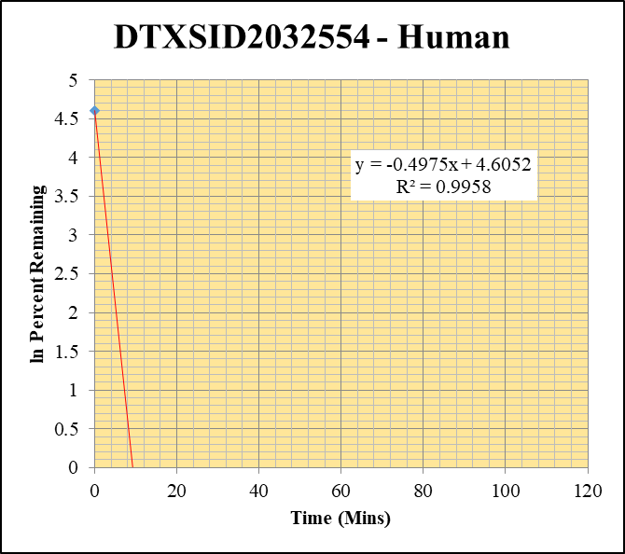
Blank_Human___1_____5P1_Inj 2020Sep4_EPA_003 | DTXSID2032554 | 424.1 / 308.0 | 8.625 | 1641000 | 0.000005255 |  |  |  | DTXSID2032554 - Human | Time (Mins) | % Remaining Replica 1 | % Remaining Replica 2 | % Remaining Replica 3 | Average
Blank_Human___2_____5P1_Inj 2020Sep4_EPA_004 | DTXSID2032554 | 424.1 / 308.0 | 17.7 | 1692000 | 0.00001046 |  |  |  | Time (Mins) | 120 | -0.01% | -0.01% | 0.07%
Blank_Human___3_____5P1_Inj 2020Sep4_EPA_005 | DTXSID2032554 | 424.1 / 308.0 | 9.672 | 1672000 | 0.000005785 |  |  |  | ln Percent Remaining | 60 | 0.00% | 0.01% | -0.01%
DTXSID2032554_Human__120_1_____5P1_Inj 2020Sep4_EPA_134 | DTXSID2032554 | 424.1 / 308.0 | 1.862 | 1179000 | 0.000001579 | -0.011815038924 | 120 |  |  | 30 | -0.01% | -0.01% | -0.02%
DTXSID2032554_Human__120_2_____5P1_Inj 2020Sep4_EPA_135 | DTXSID2032554 | 424.1 / 308.0 | 0.4196 | 1179000 | 0.000000356 | -0.011542948502 | 120 |  |  | 15 | 0.0395% | 0.0836% | -0.01% | 0.0615%
DTXSID2032554_Human__120_3_____5P1_Inj 2020Sep4_EPA_136 | DTXSID2032554 | 424.1 / 308.0 | 57.82 | 1470000 | 0.00003934 | 0.068756967769 | 120 | -2.677 |  | 0 | 100% | 100% | 100% | 100%
DTXSID2032554_Human__60_1_____5P2_Inj 2020Sep4_EPA_137 | DTXSID2032554 | 424.1 / 308.0 | 10.59 | 1311000 | 0.000008082 | 0.0019354588609 | 60 | -6.247
DTXSID2032554_Human__60_2_____5P2_Inj 2020Sep4_EPA_138 | DTXSID2032554 | 424.1 / 308.0 | 15.91 | 1449000 | 0.00001098 | 0.0064629664677 | 60 | -5.042 |  | Slope | -0.4975
DTXSID2032554_Human__60_3_____5P2_Inj 2020Sep4_EPA_139 | DTXSID2032554 | 424.1 / 308.0 | 0.5003 | 1255000 | 3.988E-07 | -0.014463468409 | 60 |  |  | Intercept | 4.61
DTXSID2032554_Human__30_1_____5P3_Inj 2020Sep4_EPA_140 | DTXSID2032554 | 424.1 / 308.0 | 0.254 | 1251000 | 0.000000203 | -0.014724570671 | 30 |  |  | R2 | 0.996
DTXSID2032554_Human__30_2_____5P3_Inj 2020Sep4_EPA_141 | DTXSID2032554 | 424.1 / 308.0 | 0.8376 | 1270000 | 6.595E-07 | -0.011028566425 | 30 |  |  | T½ (mins) | 1.4
DTXSID2032554_Human__30_3_____5P3_Inj 2020Sep4_EPA_142 | DTXSID2032554 | 424.1 / 308.0 | 0.02481 | 1186000 | 2.093E-08 | -0.0152710066 | 30 |  |  | CLint (µl/min/106 cells) | 995
DTXSID2032554_Human__15_1_____5P4_Inj 2020Sep4_EPA_143 | DTXSID2032554 | 424.1 / 308.0 | 34.3 | 1328000 | 0.00002583 | 0.039463343636 | 15 | -3.2323830472 |  | Comments | Points Deleted: (120,) (120,) (120,-2.6770) (60,-6.2470) (60,-5.0420) (60,) (30,) (30,) (30,) (15,)
DTXSID2032554_Human__15_2_____5P4_Inj 2020Sep4_EPA_144 | DTXSID2032554 | 424.1 / 308.0 | 66.28 | 1174000 | 0.00005648 | 0.083577907276 | 15 | -2.4819760609
DTXSID2032554_Human__15_3_____5P4_Inj 2020Sep4_EPA_145 | DTXSID2032554 | 424.1 / 308.0 | 4.579 | 1303000 | 0.000003513 | -0.0078081757534 | 15
DTXSID2032554_Human__0_1_____5P5_Inj 2020Sep4_EPA_146 | DTXSID2032554 | 424.1 / 308.0 | 46740 | 988000 | 0.0473 | 100 | 0 | 4.605170186
DTXSID2032554_Human__0_2_____5P5_Inj 2020Sep4_EPA_147 | DTXSID2032554 | 424.1 / 308.0 | 63830 | 1082000 | 0.05901 | 100 | 0 | 4.605170186
DTXSID2032554_Human__0_3_____5P5_Inj 2020Sep4_EPA_148 | DTXSID2032554 | 424.1 / 308.0 | 52810 | 1128000 | 0.0468 | 100 | 0 | 4.605170186
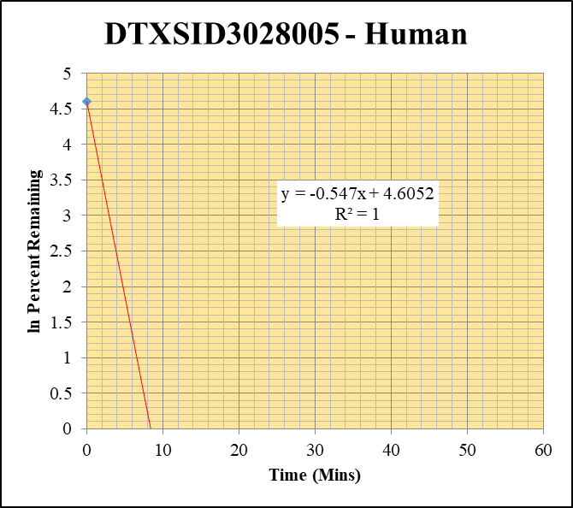
Blank_Human___1_____5P1_Inj 2020Sep4_EPA_003 | DTXSID3028005 | 199.1 / 171.2 | 83.51 | 1641000 | 0.00005087 |  |  |  | DTXSID3028005 - Human | Time (Mins) | % Remaining Replica 1 | % Remaining Replica 2 | % Remaining Replica 3 | Average
Blank_Human___2_____5P1_Inj 2020Sep4_EPA_004 | DTXSID3028005 | 199.1 / 171.2 | 210.2 | 1692000 | 0.0001243 |  |  |  | Time (Mins) | 120 | 0.00% | -0.22% | -0.19%
Blank_Human___3_____5P1_Inj 2020Sep4_EPA_005 | DTXSID3028005 | 199.1 / 171.2 | 64.57 | 1672000 | 0.00003862 |  |  |  | ln Percent Remaining | 60 | 0.01% | 0.07% | 0.14%
DTXSID3028005_Human__120_1_____5P1_Inj 2020Sep4_EPA_294 | DTXSID3028005 | 199.1 / 171.2 | 90.47 | 1286000 | 0.00007036 | -0.0043768828874 | 120 |  |  | 30 | 1.30% | -0.08% | -0.09%
DTXSID3028005_Human__120_2_____5P1_Inj 2020Sep4_EPA_295 | DTXSID3028005 | 199.1 / 171.2 | 43.02 | 1307000 | 0.00003292 | -0.21530630752 | 120 |  |  | 15 | -0.12% | -0.14% | 0.0273% | 0.0273%
DTXSID3028005_Human__120_3_____5P1_Inj 2020Sep4_EPA_296 | DTXSID3028005 | 199.1 / 171.2 | 46.01 | 1264000 | 0.0000364 | -0.18644753362 | 120 |  |  | 0 | 100% | 100% | 100% | 100%
DTXSID3028005_Human__60_1_____5P2_Inj 2020Sep4_EPA_297 | DTXSID3028005 | 199.1 / 171.2 | 99.56 | 1345000 | 0.000074 | 0.013259855537 | 60 | -4.323
DTXSID3028005_Human__60_2_____5P2_Inj 2020Sep4_EPA_298 | DTXSID3028005 | 199.1 / 171.2 | 116 | 1374000 | 0.00008443 | 0.073933748997 | 60 | -2.605 |  | Slope | -0.547
DTXSID3028005_Human__60_3_____5P2_Inj 2020Sep4_EPA_299 | DTXSID3028005 | 199.1 / 171.2 | 129.1 | 1334000 | 0.00009674 | 0.13624806382 | 60 | -1.993 |  | Intercept | 4.61
DTXSID3028005_Human__30_1_____5P3_Inj 2020Sep4_EPA_300 | DTXSID3028005 | 199.1 / 171.2 | 468.3 | 1382000 | 0.0003389 | 1.2967686491 | 30 | 0.260 |  | R2 | 1.000
DTXSID3028005_Human__30_2_____5P3_Inj 2020Sep4_EPA_301 | DTXSID3028005 | 199.1 / 171.2 | 72.55 | 1276000 | 0.00005686 | -0.080877906181 | 30 |  |  | T½ (mins) | 1.27
DTXSID3028005_Human__30_3_____5P3_Inj 2020Sep4_EPA_302 | DTXSID3028005 | 199.1 / 171.2 | 69.77 | 1283000 | 0.00005436 | -0.090398263983 | 30 |  |  | CLint (µl/min/106 cells) | 1094
DTXSID3028005_Human__15_1_____5P4_Inj 2020Sep4_EPA_303 | DTXSID3028005 | 199.1 / 171.2 | 58.41 | 1247000 | 0.00004685 | -0.11828889397 | 15 |  |  | Comments | Points Deleted: (120,) (120,) (120,) (60,-4.3230) (60,-2.6050) (60,-1.9930) (30,0.2600) (30,) (30,) (15,) (15,)
DTXSID3028005_Human__15_2_____5P4_Inj 2020Sep4_EPA_304 | DTXSID3028005 | 199.1 / 171.2 | 64.97 | 1400000 | 0.0000464 | -0.13961312247 | 15
DTXSID3028005_Human__15_3_____5P4_Inj 2020Sep4_EPA_305 | DTXSID3028005 | 199.1 / 171.2 | 112.7 | 1476000 | 0.00007637 | 0.027310222919 | 15 | -3.600494181
DTXSID3028005_Human__0_1_____5P5_Inj 2020Sep4_EPA_306 | DTXSID3028005 | 199.1 / 171.2 | 24760 | 1196000 | 0.02071 | 100 | 0 | 4.605170186
DTXSID3028005_Human__0_2_____5P5_Inj 2020Sep4_EPA_307 | DTXSID3028005 | 199.1 / 171.2 | 18820 | 1052000 | 0.01788 | 100 | 0 | 4.605170186
DTXSID3028005_Human__0_3_____5P5_Inj 2020Sep4_EPA_308 | DTXSID3028005 | 199.1 / 171.2 | 19850 | 1058000 | 0.01877 | 100 | 0 | 4.605170186
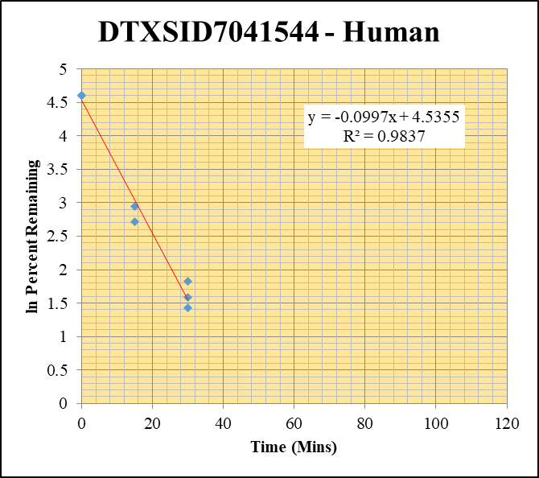
Blank_Human___1_____5P1_Inj 2020Sep4_EPA_003 | DTXSID7041544 | 259.1 / 175.2 | 1408 | 1641000 | 0.0008576 |  |  |  | DTXSID7041544 - Human | Time (Mins) | % Remaining Replica 1 | % Remaining Replica 2 | % Remaining Replica 3 | Average
Blank_Human___2_____5P1_Inj 2020Sep4_EPA_004 | DTXSID7041544 | 259.1 / 175.2 | 1787 | 1692000 | 0.001056 |  |  |  | Time (Mins) | 120 | 0.12% | 2.43% | 0.59%
Blank_Human___3_____5P1_Inj 2020Sep4_EPA_005 | DTXSID7041544 | 259.1 / 175.2 | 2639 | 1672000 | 0.001579 |  |  |  | ln Percent Remaining | 60 | 2.97% | 2.30% | 2.94%
DTXSID7041544_Human__120_1_____5P1_Inj 2020Sep4_EPA_358 | DTXSID7041544 | 259.1 / 175.2 | 1822 | 1440000 | 0.001265 | 0.124312765 | 120 | -2.085 |  | 30 | 6.19% | 4.91% | 4.18% | 5.09%
DTXSID7041544_Human__120_2_____5P1_Inj 2020Sep4_EPA_359 | DTXSID7041544 | 259.1 / 175.2 | 3997 | 1143000 | 0.003496 | 2.4267893903 | 120 | 0.887 |  | 15 | 6.48% | 15.1% | 19.1% | 17.1%
DTXSID7041544_Human__120_3_____5P1_Inj 2020Sep4_EPA_360 | DTXSID7041544 | 259.1 / 175.2 | 2170 | 1341000 | 0.001618 | 0.58663991582 | 120 | -0.533 |  | 0 | 100% | 100% | 100% | 100%
DTXSID7041544_Human__60_1_____5P2_Inj 2020Sep4_EPA_361 | DTXSID7041544 | 259.1 / 175.2 | 4903 | 1372000 | 0.003574 | 2.9719137013 | 60 | 1.089
DTXSID7041544_Human__60_2_____5P2_Inj 2020Sep4_EPA_362 | DTXSID7041544 | 259.1 / 175.2 | 4924 | 1460000 | 0.003372 | 2.2977380633 | 60 | 0.832 |  | Slope | -0.0997
DTXSID7041544_Human__60_3_____5P2_Inj 2020Sep4_EPA_363 | DTXSID7041544 | 259.1 / 175.2 | 4930 | 1433000 | 0.00344 | 2.9419901287 | 60 | 1.079 |  | Intercept | 4.54
DTXSID7041544_Human__30_1_____5P3_Inj 2020Sep4_EPA_364 | DTXSID7041544 | 259.1 / 175.2 | 9088 | 1469000 | 0.006185 | 6.1919596279 | 30 | 1.8232516162 |  | R2 | 0.984
DTXSID7041544_Human__30_2_____5P3_Inj 2020Sep4_EPA_365 | DTXSID7041544 | 259.1 / 175.2 | 8284 | 1409000 | 0.005878 | 4.9058237534 | 30 | 1.5904230205 |  | T½ (mins) | 7.0
DTXSID7041544_Human__30_3_____5P3_Inj 2020Sep4_EPA_366 | DTXSID7041544 | 259.1 / 175.2 | 5924 | 1348000 | 0.004396 | 4.1778379902 | 30 | 1.4297938855 |  | CLint (µl/min/106 cells) | 199.4
DTXSID7041544_Human__15_1_____5P4_Inj 2020Sep4_EPA_367 | DTXSID7041544 | 259.1 / 175.2 | 9988 | 1557000 | 0.006415 | 6.4756097862 | 15 | 1.868 |  | Comments | Points Deleted: (120,-2.0850) (120,0.8870) (120,-0.5330) (60,1.0890) (60,0.8320) (60,1.0790) (15,1.8680)
DTXSID7041544_Human__15_2_____5P4_Inj 2020Sep4_EPA_368 | DTXSID7041544 | 259.1 / 175.2 | 21600 | 1378000 | 0.01567 | 15.096715644 | 15 | 2.7144772131
DTXSID7041544_Human__15_3_____5P4_Inj 2020Sep4_EPA_369 | DTXSID7041544 | 259.1 / 175.2 | 22580 | 1420000 | 0.01591 | 19.062306899 | 15 | 2.9477129244
DTXSID7041544_Human__0_1_____5P5_Inj 2020Sep4_EPA_370 | DTXSID7041544 | 259.1 / 175.2 | 90550 | 1101000 | 0.08225 | 100 | 0 | 4.605170186
DTXSID7041544_Human__0_2_____5P5_Inj 2020Sep4_EPA_371 | DTXSID7041544 | 259.1 / 175.2 | 106100 | 1091000 | 0.09725 | 100 | 0 | 4.605170186
DTXSID7041544_Human__0_3_____5P5_Inj 2020Sep4_EPA_372 | DTXSID7041544 | 259.1 / 175.2 | 86410 | 1100000 | 0.07852 | 100 | 0 | 4.605170186

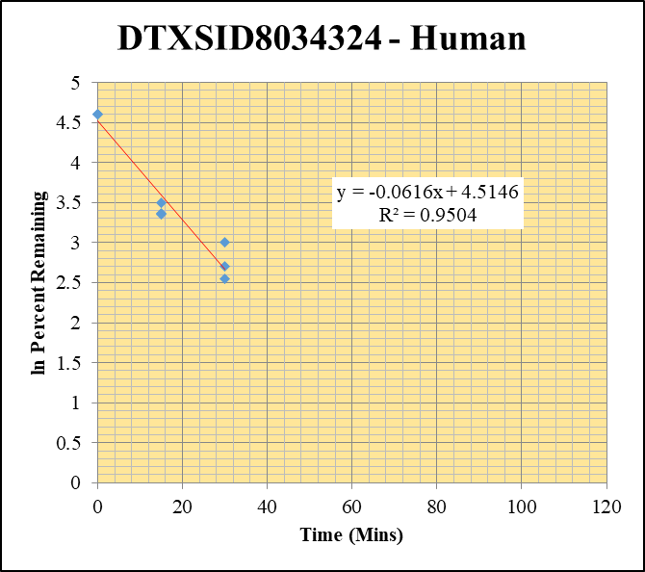
Blank_Human___1_____5P1_Inj 2020Sep4_EPA_003 | DTXSID8034324 | 299.1 / 129.0 | 17.38 | 1641000 | 0.00001059 |  |  |  | DTXSID8034324 - Human | Time (Mins) | % Remaining Replica 1 | % Remaining Replica 2 | % Remaining Replica 3 | Average
Blank_Human___2_____5P1_Inj 2020Sep4_EPA_004 | DTXSID8034324 | 299.1 / 129.0 | 26.66 | 1692000 | 0.00001576 |  |  |  | Time (Mins) | 120 | 4.03% | 3.47% | 4.32%
Blank_Human___3_____5P1_Inj 2020Sep4_EPA_005 | DTXSID8034324 | 299.1 / 129.0 | 88.84 | 1672000 | 0.00005314 |  |  |  | ln Percent Remaining | 60 | 9.47% | 7.51% | 9.23%
DTXSID8034324_Human__120_1_____5P1_Inj 2020Sep4_EPA_070 | DTXSID8034324 | 299.1 / 129.0 | 6666 | 1072000 | 0.00622 | 4.0303000836 | 120 | 1.394 |  | 30 | 20.3% | 12.9% | 15.0% | 16.0%
DTXSID8034324_Human__120_2_____5P1_Inj 2020Sep4_EPA_071 | DTXSID8034324 | 299.1 / 129.0 | 6678 | 1084000 | 0.006159 | 3.4730597839 | 120 | 1.245 |  | 15 | 33.1% | 28.7% | 29.1% | 30.3%
DTXSID8034324_Human__120_3_____5P1_Inj 2020Sep4_EPA_072 | DTXSID8034324 | 299.1 / 129.0 | 9784 | 1209000 | 0.008092 | 4.3160229725 | 120 | 1.462 |  | 0 | 100% | 100% | 100% | 100%
DTXSID8034324_Human__60_1_____5P2_Inj 2020Sep4_EPA_073 | DTXSID8034324 | 299.1 / 129.0 | 17510 | 1201000 | 0.01458 | 9.4704051236 | 60 | 2.248
DTXSID8034324_Human__60_2_____5P2_Inj 2020Sep4_EPA_074 | DTXSID8034324 | 299.1 / 129.0 | 16630 | 1251000 | 0.01329 | 7.5116045629 | 60 | 2.016 |  | Slope | -0.0616
DTXSID8034324_Human__60_3_____5P2_Inj 2020Sep4_EPA_075 | DTXSID8034324 | 299.1 / 129.0 | 20860 | 1207000 | 0.01728 | 9.2327178683 | 60 | 2.223 |  | Intercept | 4.51
DTXSID8034324_Human__30_1_____5P3_Inj 2020Sep4_EPA_076 | DTXSID8034324 | 299.1 / 129.0 | 35410 | 1136000 | 0.03117 | 20.266020269 | 30 | 3.0089456052 |  | R2 | 0.950
DTXSID8034324_Human__30_2_____5P3_Inj 2020Sep4_EPA_077 | DTXSID8034324 | 299.1 / 129.0 | 28500 | 1254000 | 0.02272 | 12.852156697 | 30 | 2.5535116336 |  | T½ (mins) | 11.3
DTXSID8034324_Human__30_3_____5P3_Inj 2020Sep4_EPA_078 | DTXSID8034324 | 299.1 / 129.0 | 33510 | 1193000 | 0.02809 | 15.017379582 | 30 | 2.7092081692 |  | CLint (µl/min/106 cells) | 123.2
DTXSID8034324_Human__15_1_____5P4_Inj 2020Sep4_EPA_079 | DTXSID8034324 | 299.1 / 129.0 | 65460 | 1285000 | 0.05096 | 33.143972271 | 15 | 3.5008608682 |  | Comments | Points Deleted: (120,1.3940) (120,1.2450) (120,1.4620) (60,2.2480) (60,2.0160) (60,2.2230)
DTXSID8034324_Human__15_2_____5P4_Inj 2020Sep4_EPA_080 | DTXSID8034324 | 299.1 / 129.0 | 63620 | 1253000 | 0.05078 | 28.743555729 | 15 | 3.3584135936
DTXSID8034324_Human__15_3_____5P4_Inj 2020Sep4_EPA_081 | DTXSID8034324 | 299.1 / 129.0 | 61730 | 1136000 | 0.05432 | 29.053612398 | 15 | 3.3691428266
DTXSID8034324_Human__0_1_____5P5_Inj 2020Sep4_EPA_082 | DTXSID8034324 | 299.1 / 129.0 | 134300 | 873600 | 0.1537 | 100 | 0 | 4.605170186
DTXSID8034324_Human__0_2_____5P5_Inj 2020Sep4_EPA_083 | DTXSID8034324 | 299.1 / 129.0 | 187700 | 1063000 | 0.1766 | 100 | 0 | 4.605170186
DTXSID8034324_Human__0_3_____5P5_Inj 2020Sep4_EPA_084 | DTXSID8034324 | 299.1 / 129.0 | 181900 | 973600 | 0.1869 | 100 | 0 | 4.605170186

Midazolam - Human
120 | 1.2234297828
120 | 1.1699164859
120 | 1.1315806971
60 | 2.3820590213
60 | 2.2460247435
60 | 2.3167226971
30 | 3.2755905624
30 | 3.0896242652
30 | 3.189135263
15 | 4.0788029057
15 | 3.956894347
15 | 4.0700859185
0 | 4.605170186
0 | 4.605170186
0 | 4.605170186
Blank_Human___1_____5P1_Inj 2020Sep4_EPA_003 | Midazolam | 326.2 / 291.0 | 7.57 | 1641000 | 0.000004612 |  |  |  | Midazolam - Human | Time (Mins) | % Remaining Replica 1 | % Remaining Replica 2 | % Remaining Replica 3 | Average
Blank_Human___2_____5P1_Inj 2020Sep4_EPA_004 | Midazolam | 326.2 / 291.0 | 2.608 | 1692000 | 0.000001541 |  |  |  | Time (Mins) | 120 | 3.40% | 3.22% | 3.10% | 3.24%
Blank_Human___3_____5P1_Inj 2020Sep4_EPA_005 | Midazolam | 326.2 / 291.0 | 84.38 | 1672000 | 0.00005047 |  |  |  | ln Percent Remaining | 60 | 10.8% | 9.45% | 10.1% | 10.1%
Midazolam_Human__120_1_____5P1_Inj 2020Sep4_EPA_006 | Midazolam | 326.2 / 291.0 | 79630 | 910400 | 0.08747 | 3.398824997 | 120 | 1.2234297828 |  | 30 | 26.5% | 22.0% | 24.3% | 24.2%
Midazolam_Human__120_2_____5P1_Inj 2020Sep4_EPA_007 | Midazolam | 326.2 / 291.0 | 79230 | 964600 | 0.08214 | 3.2217235679 | 120 | 1.1699164859 |  | 15 | 59.1% | 52.3% | 58.6% | 56.6%
Midazolam_Human__120_3_____5P1_Inj 2020Sep4_EPA_008 | Midazolam | 326.2 / 291.0 | 79530 | 965100 | 0.0824 | 3.1005536649 | 120 | 1.1315806971 |  | 0 | 100% | 100% | 100% | 100%
Midazolam_Human__60_1_____5P2_Inj 2020Sep4_EPA_009 | Midazolam | 326.2 / 291.0 | 270800 | 972200 | 0.2786 | 10.827173308 | 60 | 2.3820590213
Midazolam_Human__60_2_____5P2_Inj 2020Sep4_EPA_010 | Midazolam | 326.2 / 291.0 | 245600 | 1019000 | 0.2409 | 9.4500945198 | 60 | 2.2460247435 |  | Slope | -0.0281
Midazolam_Human__60_3_____5P2_Inj 2020Sep4_EPA_011 | Midazolam | 326.2 / 291.0 | 262300 | 973100 | 0.2695 | 10.142380127 | 60 | 2.3167226971 |  | Intercept | 4.33
Midazolam_Human__30_1_____5P3_Inj 2020Sep4_EPA_012 | Midazolam | 326.2 / 291.0 | 739500 | 1086000 | 0.6808 | 26.458846467 | 30 | 3.2755905624 |  | R2 | 0.953
Midazolam_Human__30_2_____5P3_Inj 2020Sep4_EPA_013 | Midazolam | 326.2 / 291.0 | 662300 | 1183000 | 0.56 | 21.968821975 | 30 | 3.0896242652 |  | T½ (mins) | 24.6
Midazolam_Human__30_3_____5P3_Inj 2020Sep4_EPA_014 | Midazolam | 326.2 / 291.0 | 681400 | 1057000 | 0.6448 | 24.267433421 | 30 | 3.189135263 |  | CLint (µl/min/106 cells) | 56.3
Midazolam_Human__15_1_____5P4_Inj 2020Sep4_EPA_015 | Midazolam | 326.2 / 291.0 | 1732000 | 1139000 | 1.52 | 59.074709507 | 15 | 4.0788029057 |  | Comments
Midazolam_Human__15_2_____5P4_Inj 2020Sep4_EPA_016 | Midazolam | 326.2 / 291.0 | 1491000 | 1119000 | 1.333 | 52.294664415 | 15 | 3.956894347
Midazolam_Human__15_3_____5P4_Inj 2020Sep4_EPA_017 | Midazolam | 326.2 / 291.0 | 1639000 | 1053000 | 1.556 | 58.561993935 | 15 | 4.0700859185
Midazolam_Human__0_1_____5P5_Inj 2020Sep4_EPA_018 | Midazolam | 326.2 / 291.0 | 2532000 | 984200 | 2.573 | 100 | 0 | 4.605170186
Midazolam_Human__0_2_____5P5_Inj 2020Sep4_EPA_019 | Midazolam | 326.2 / 291.0 | 2492000 | 977500 | 2.549 | 100 | 0 | 4.605170186
Midazolam_Human__0_3_____5P5_Inj 2020Sep4_EPA_020 | Midazolam | 326.2 / 291.0 | 2664000 | 1003000 | 2.657 | 100 | 0 | 4.605170186

1 uM control
SampleName | CompoundName | Transition | Area | ISTD Area | ISTDResponseRatio | % Remaining | Time (mins) | ln % Remaining | Chart | Table
Blank_HumanHI___1_____XP61_Inj 003 | DTXSID0037522 | 393.9 / 208.0 | 8.978 | 1595000 | 0.000005629 |  |  |  | DTXSID0037522 - HumanHI | Time (Mins) | % Remaining Replica 1 | % Remaining Replica 2 | % Remaining Replica 3 | Average
Blank_HumanHI___2_____XP61_Inj 004 | DTXSID0037522 | 393.9 / 208.0 | 7.664 | 1849000 | 0.000004145 |  |  |  | Time (Mins) | 120 | 34.1% | 47.6% | 43.6% | 41.8%
Blank_HumanHI___3_____XP61_Inj 005 | DTXSID0037522 | 393.9 / 208.0 | 5.417 | 1853000 | 0.000002924 |  |  |  | ln Percent Remaining | 0 | 100% | 100% | 100% | 100%
DTXSID0037522_HumanHI__120_1_____XP61_Inj 046 | DTXSID0037522 | 393.9 / 208.0 | 108000 | 2434000 | 0.04437 | 34.102391064 | 120 | 3.529367501
DTXSID0037522_HumanHI__120_2_____XP61_Inj 047 | DTXSID0037522 | 393.9 / 208.0 | 101000 | 2420000 | 0.04174 | 47.645872174 | 120 | 3.8637959983 |  | Slope | -0.00736
DTXSID0037522_HumanHI__120_3_____XP61_Inj 048 | DTXSID0037522 | 393.9 / 208.0 | 99870 | 2311000 | 0.04321 | 43.551668915 | 120 | 3.7739480244 |  | Intercept | 4.61
DTXSID0037522_HumanHI__0_1_____XP61_Inj 046 | DTXSID0037522 | 393.9 / 208.0 | 147100 | 1131000 | 0.1301 | 100 | 0 | 4.605170186 |  | R2 | 0.951
DTXSID0037522_HumanHI__0_2_____XP61_Inj 047 | DTXSID0037522 | 393.9 / 208.0 | 99580 | 1137000 | 0.0876 | 100 | 0 | 4.605170186 |  | T½ (mins) | 94.2
DTXSID0037522_HumanHI__0_3_____XP61_Inj 048 | DTXSID0037522 | 393.9 / 208.0 | 116800 | 1178000 | 0.09921 | 100 | 0 | 4.605170186 |  | CLint (µl/min/106 cells) | 14.7
 |  |  |  |  |  |  |  |  |  | Comments

Blank_HumanHI___1_____XP61_Inj 003 | DTXSID1032484 | 467.0 / 404.9 | 2.507 | 1595000 | 0.000001572 |  |  |  | DTXSID1032484 - HumanHI | Time (Mins) | % Remaining Replica 1 | % Remaining Replica 2 | % Remaining Replica 3 | Average
Blank_HumanHI___2_____XP61_Inj 004 | DTXSID1032484 | 467.0 / 404.9 | 1.236 | 1849000 | 6.682E-07 |  |  |  | Time (Mins) | 120 | 29.1% | 74.1% | 47.6% | 50.2%
Blank_HumanHI___3_____XP61_Inj 005 | DTXSID1032484 | 467.0 / 404.9 | 2.742 | 1853000 | 0.00000148 |  |  |  | ln Percent Remaining | 0 | 100% | 100% | 100% | 100%
DTXSID1032484_HumanHI__120_1_____XP61_Inj 014 | DTXSID1032484 | 467.0 / 404.9 | 294700 | 2529000 | 0.1165 | 29.110225117 | 120 | 3.3710894911
DTXSID1032484_HumanHI__120_2_____XP61_Inj 015 | DTXSID1032484 | 467.0 / 404.9 | 361700 | 2397000 | 0.1509 | 74.079370921 | 120 | 4.3051370984 |  | Slope | -0.00633
DTXSID1032484_HumanHI__120_3_____XP61_Inj 016 | DTXSID1032484 | 467.0 / 404.9 | 402200 | 2289000 | 0.1757 | 47.550568225 | 120 | 3.861793739 |  | Intercept | 4.61
DTXSID1032484_HumanHI__0_1_____XP61_Inj 014 | DTXSID1032484 | 467.0 / 404.9 | 370000 | 924600 | 0.4002 | 100 | 0 | 4.605170186 |  | R2 | 0.664
DTXSID1032484_HumanHI__0_2_____XP61_Inj 015 | DTXSID1032484 | 467.0 / 404.9 | 241400 | 1185000 | 0.2037 | 100 | 0 | 4.605170186 |  | T½ (mins) | 110
DTXSID1032484_HumanHI__0_3_____XP61_Inj 016 | DTXSID1032484 | 467.0 / 404.9 | 292500 | 791600 | 0.3695 | 100 | 0 | 4.605170186 |  | CLint (µl/min/106 cells) | 12.7
 |  |  |  |  |  |  |  |  |  | Comments

Blank_HumanHI___1_____XP61_Inj 003 | DTXSID2032554 | 424.1 / 308.0 | 38.82 | 1595000 | 0.00002434 |  |  |  | DTXSID2032554 - HumanHI | Time (Mins) | % Remaining Replica 1 | % Remaining Replica 2 | % Remaining Replica 3 | Average
Blank_HumanHI___2_____XP61_Inj 004 | DTXSID2032554 | 424.1 / 308.0 | 26.26 | 1849000 | 0.0000142 |  |  |  | Time (Mins) | 120 | 77.9% | 69.4% | 113% | 86.6%
Blank_HumanHI___3_____XP61_Inj 005 | DTXSID2032554 | 424.1 / 308.0 | 21.08 | 1853000 | 0.00001138 |  |  |  | ln Percent Remaining | 0 | 100% | 100% | 100% | 100%
DTXSID2032554_HumanHI__120_1_____XP61_Inj 038 | DTXSID2032554 | 424.1 / 308.0 | 95980 | 2605000 | 0.03684 | 77.87805266 | 120 | 4.3551441758
DTXSID2032554_HumanHI__120_2_____XP61_Inj 039 | DTXSID2032554 | 424.1 / 308.0 | 98010 | 2393000 | 0.04096 | 69.40333624 | 120 | 4.239934939 |  | Slope | -0.00138
DTXSID2032554_HumanHI__120_3_____XP61_Inj 040 | DTXSID2032554 | 424.1 / 308.0 | 129100 | 2450000 | 0.0527 | 112.61132163 | 120 | 4.723942258 |  | Intercept | 4.61
DTXSID2032554_HumanHI__0_1_____XP61_Inj 038 | DTXSID2032554 | 424.1 / 308.0 | 46740 | 988000 | 0.0473 | 100 | 0 | 4.605170186 |  | R2 | 0.243
DTXSID2032554_HumanHI__0_2_____XP61_Inj 039 | DTXSID2032554 | 424.1 / 308.0 | 63830 | 1082000 | 0.05901 | 100 | 0 | 4.605170186 |  | T½ (mins) | 503
DTXSID2032554_HumanHI__0_3_____XP61_Inj 040 | DTXSID2032554 | 424.1 / 308.0 | 52810 | 1128000 | 0.0468 | 100 | 0 | 4.605170186 |  | CLint (µl/min/106 cells) | 2.76
 |  |  |  |  |  |  |  |  |  | Comments

DTXSID3028005 - HumanHI
120 | 3.9167249393
120 | 4.3262371302
120 | 4.2203750309
0 | 4.605170186
0 | 4.605170186
0 | 4.605170186
Blank_HumanHI___1_____XP61_Inj 003 | DTXSID3028005 | 199.1 / 171.2 | 727.1 | 1595000 | 0.0004559 |  |  |  | DTXSID3028005 - HumanHI | Time (Mins) | % Remaining Replica 1 | % Remaining Replica 2 | % Remaining Replica 3 | Average
Blank_HumanHI___2_____XP61_Inj 004 | DTXSID3028005 | 199.1 / 171.2 | 60.61 | 1849000 | 0.00003278 |  |  |  | Time (Mins) | 120 | 50.2% | 75.7% | 68.1% | 64.7%
Blank_HumanHI___3_____XP61_Inj 005 | DTXSID3028005 | 199.1 / 171.2 | 57.34 | 1853000 | 0.00003095 |  |  |  | ln Percent Remaining | 0 | 100% | 100% | 100% | 100%
DTXSID3028005_HumanHI__120_1_____XP61_Inj 078 | DTXSID3028005 | 199.1 / 171.2 | 26060 | 2485000 | 0.01049 | 50.235650265 | 120 | 3.9167249393
DTXSID3028005_HumanHI__120_2_____XP61_Inj 079 | DTXSID3028005 | 199.1 / 171.2 | 30680 | 2260000 | 0.01357 | 75.659055086 | 120 | 4.3262371302 |  | Slope | -0.00376
DTXSID3028005_HumanHI__120_3_____XP61_Inj 080 | DTXSID3028005 | 199.1 / 171.2 | 27160 | 2117000 | 0.01283 | 68.059003731 | 120 | 4.2203750309 |  | Intercept | 4.61
DTXSID3028005_HumanHI__0_1_____XP61_Inj 078 | DTXSID3028005 | 199.1 / 171.2 | 24760 | 1196000 | 0.02071 | 100 | 0 | 4.605170186 |  | R2 | 0.771
DTXSID3028005_HumanHI__0_2_____XP61_Inj 079 | DTXSID3028005 | 199.1 / 171.2 | 18820 | 1052000 | 0.01788 | 100 | 0 | 4.605170186 |  | T½ (mins) | 185
DTXSID3028005_HumanHI__0_3_____XP61_Inj 080 | DTXSID3028005 | 199.1 / 171.2 | 19850 | 1058000 | 0.01877 | 100 | 0 | 4.605170186 |  | CLint (µl/min/106 cells) | 7.51
 |  |  |  |  |  |  |  |  |  | Comments

DTXSID7041544 - HumanHI
0 | 4.605170186
0 | 4.605170186
0 | 4.605170186
Blank_HumanHI___1_____XP61_Inj 003 | DTXSID7041544 | 259.1 / 175.2 | 40050 | 1595000 | 0.02511 |  |  |  | DTXSID7041544 - HumanHI | Time (Mins) | % Remaining Replica 1 | % Remaining Replica 2 | % Remaining Replica 3 | Average
Blank_HumanHI___2_____XP61_Inj 004 | DTXSID7041544 | 259.1 / 175.2 | 6037 | 1849000 | 0.003265 |  |  |  | Time (Mins) | 120 | 5.20% | 7.71% | 4.49%
Blank_HumanHI___3_____XP61_Inj 005 | DTXSID7041544 | 259.1 / 175.2 | 4733 | 1853000 | 0.002555 |  |  |  | ln Percent Remaining | 0 | 100% | 100% | 100% | 100%
DTXSID7041544_HumanHI__120_1_____XP61_Inj 094 | DTXSID7041544 | 259.1 / 175.2 | 16070 | 2284000 | 0.007033 | 5.1966221326 | 120
DTXSID7041544_HumanHI__120_2_____XP61_Inj 095 | DTXSID7041544 | 259.1 / 175.2 | 23100 | 2268000 | 0.01018 | 7.7061691753 | 120 |  |  | Slope
DTXSID7041544_HumanHI__120_3_____XP61_Inj 096 | DTXSID7041544 | 259.1 / 175.2 | 14490 | 2298000 | 0.006304 | 4.4888242296 | 120 |  |  | Intercept
DTXSID7041544_HumanHI__0_1_____XP61_Inj 094 | DTXSID7041544 | 259.1 / 175.2 | 90550 | 1101000 | 0.08225 | 100 | 0 | 4.605170186 |  | R2
DTXSID7041544_HumanHI__0_2_____XP61_Inj 095 | DTXSID7041544 | 259.1 / 175.2 | 106100 | 1091000 | 0.09725 | 100 | 0 | 4.605170186 |  | T½ (mins) | >0
DTXSID7041544_HumanHI__0_3_____XP61_Inj 096 | DTXSID7041544 | 259.1 / 175.2 | 86410 | 1100000 | 0.07852 | 100 | 0 | 4.605170186 |  | CLint (µl/min/106 cells) | 0.0
 |  |  |  |  |  |  |  |  |  | Comments

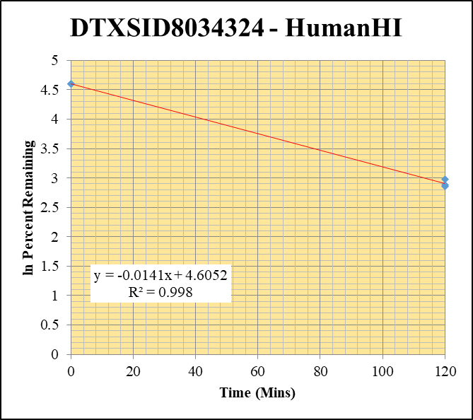
Blank_HumanHI___1_____XP61_Inj 003 | DTXSID8034324 | 299.1 / 129.0 | 2591 | 1595000 | 0.001624 |  |  |  | DTXSID8034324 - HumanHI | Time (Mins) | % Remaining Replica 1 | % Remaining Replica 2 | % Remaining Replica 3 | Average
Blank_HumanHI___2_____XP61_Inj 004 | DTXSID8034324 | 299.1 / 129.0 | 124 | 1849000 | 0.00006704 |  |  |  | Time (Mins) | 120 | 17.4% | 17.9% | 19.7% | 18.3%
Blank_HumanHI___3_____XP61_Inj 005 | DTXSID8034324 | 299.1 / 129.0 | 16.5 | 1853000 | 0.000008903 |  |  |  | ln Percent Remaining | 0 | 100% | 100% | 100% | 100%
DTXSID8034324_HumanHI__120_1_____XP61_Inj 022 | DTXSID8034324 | 299.1 / 129.0 | 65320 | 2394000 | 0.02728 | 17.44450306 | 120 | 2.8590245881
DTXSID8034324_HumanHI__120_2_____XP61_Inj 023 | DTXSID8034324 | 299.1 / 129.0 | 76520 | 2390000 | 0.03201 | 17.862156186 | 120 | 2.8826842953 |  | Slope | -0.0141
DTXSID8034324_HumanHI__120_3_____XP61_Inj 024 | DTXSID8034324 | 299.1 / 129.0 | 86110 | 2308000 | 0.03731 | 19.71914951 | 120 | 2.9815902199 |  | Intercept | 4.61
DTXSID8034324_HumanHI__0_1_____XP61_Inj 022 | DTXSID8034324 | 299.1 / 129.0 | 134300 | 873600 | 0.1537 | 100 | 0 | 4.605170186 |  | R2 | 0.998
DTXSID8034324_HumanHI__0_2_____XP61_Inj 023 | DTXSID8034324 | 299.1 / 129.0 | 187700 | 1063000 | 0.1766 | 100 | 0 | 4.605170186 |  | T½ (mins) | 49.0
DTXSID8034324_HumanHI__0_3_____XP61_Inj 024 | DTXSID8034324 | 299.1 / 129.0 | 181900 | 973600 | 0.1869 | 100 | 0 | 4.605170186 |  | CLint (µl/min/106 cells) | 28.3
 |  |  |  |  |  |  |  |  |  | Comments

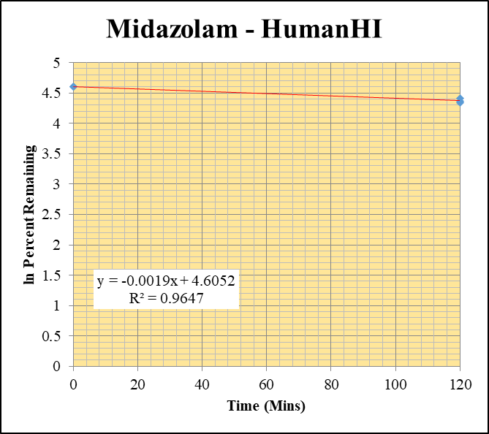
Blank_HumanHI___1_____XP61_Inj 003 | Midazolam | 326.2 / 291.0 | 249.2 | 1595000 | 0.0001562 |  |  |  | Midazolam - HumanHI | Time (Mins) | % Remaining Replica 1 | % Remaining Replica 2 | % Remaining Replica 3 | Average
Blank_HumanHI___2_____XP61_Inj 004 | Midazolam | 326.2 / 291.0 | 130.2 | 1849000 | 0.00007041 |  |  |  | Time (Mins) | 120 | 77.0% | 82.9% | 78.8% | 79.6%
Blank_HumanHI___3_____XP61_Inj 005 | Midazolam | 326.2 / 291.0 | 126.4 | 1853000 | 0.00006824 |  |  |  | ln Percent Remaining | 0 | 100% | 100% | 100% | 100%
Midazolam_HumanHI__120_1_____XP61_Inj 006 | Midazolam | 326.2 / 291.0 | 4888000 | 2469000 | 1.98 | 76.9520928 | 120 | 4.3431830568
Midazolam_HumanHI__120_2_____XP61_Inj 007 | Midazolam | 326.2 / 291.0 | 5051000 | 2391000 | 2.113 | 82.894593497 | 120 | 4.4175698428 |  | Slope | -0.00191
Midazolam_HumanHI__120_3_____XP61_Inj 008 | Midazolam | 326.2 / 291.0 | 4857000 | 2320000 | 2.094 | 78.809904918 | 120 | 4.3670386859 |  | Intercept | 4.61
Midazolam_HumanHI__0_1_____XP61_Inj 006 | Midazolam | 326.2 / 291.0 | 2532000 | 984200 | 2.573 | 100 | 0 | 4.605170186 |  | R2 | 0.965
Midazolam_HumanHI__0_2_____XP61_Inj 007 | Midazolam | 326.2 / 291.0 | 2492000 | 977500 | 2.549 | 100 | 0 | 4.605170186 |  | T½ (mins) | 363
Midazolam_HumanHI__0_3_____XP61_Inj 008 | Midazolam | 326.2 / 291.0 | 2664000 | 1003000 | 2.657 | 100 | 0 | 4.605170186 |  | CLint (µl/min/106 cells) | 3.82
 |  |  |  |  |  |  |  |  |  | Comments | Control

10 uM active
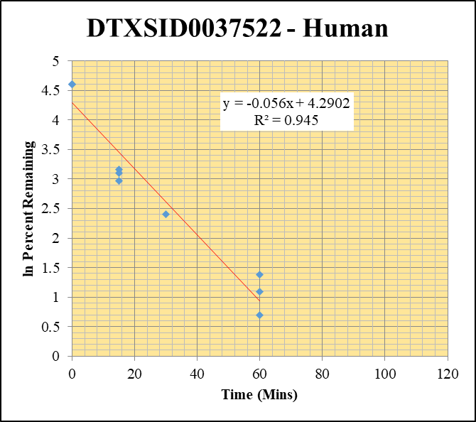
SampleName | CompoundName | Transition | Area | ISTD Area | ISTDResponseRatio | % Remaining | Time (mins) | ln % Remaining | Chart | Table
Blank_Human___1_____5P1_Inj 2020Sep4_EPA_003 | DTXSID0037522 | 393.9 / 208.0 | 2.875 | 1641000 | 0.000001751 |  |  |  | DTXSID0037522 - Human | Time (Mins) | % Remaining Replica 1 | % Remaining Replica 2 | % Remaining Replica 3 | Average
Blank_Human___2_____5P1_Inj 2020Sep4_EPA_004 | DTXSID0037522 | 393.9 / 208.0 | 6.835 | 1692000 | 0.00000404 |  |  |  | Time (Mins) | 120 | 1.30% | 1.34% | 1.65%
Blank_Human___3_____5P1_Inj 2020Sep4_EPA_005 | DTXSID0037522 | 393.9 / 208.0 | 1.496 | 1672000 | 8.947E-07 |  |  |  | ln Percent Remaining | 60 | 4.00% | 3.00% | 2.00% | 3.00%
DTXSID0037522_Human__120_1_____5P1_Inj 2020Sep4_EPA_182 | DTXSID0037522 | 393.9 / 208.0 | 18440 | 1246000 | 0.01479 | 1.3028899092 | 120 | 0.265 |  | 30 | 11.0% | 2.70% | 2.17% | 11.00%
DTXSID0037522_Human__120_2_____5P1_Inj 2020Sep4_EPA_183 | DTXSID0037522 | 393.9 / 208.0 | 16240 | 1315000 | 0.01235 | 1.3424441564 | 120 | 0.294 |  | 15 | 22.2% | 19.5% | 23.6% | 21.8%
DTXSID0037522_Human__120_3_____5P1_Inj 2020Sep4_EPA_184 | DTXSID0037522 | 393.9 / 208.0 | 35100 | 1250000 | 0.02807 | 1.6481390583 | 120 | 0.500 |  | 0 | 100% | 100% | 100% | 100%
DTXSID0037522_Human__60_1_____5P2_Inj 2020Sep4_EPA_185 | DTXSID0037522 | 393.9 / 208.0 | 58880 | 1298000 | 0.04537 | 3.9971683271 | 60 | 1.3855861922
DTXSID0037522_Human__60_2_____5P2_Inj 2020Sep4_EPA_186 | DTXSID0037522 | 393.9 / 208.0 | 37320 | 1353000 | 0.02758 | 2.9982429062 | 60 | 1.0980264191 |  | Slope | -0.0560
DTXSID0037522_Human__60_3_____5P2_Inj 2020Sep4_EPA_187 | DTXSID0037522 | 393.9 / 208.0 | 52780 | 1550000 | 0.03404 | 1.9986973562 | 60 | 0.69249564644 |  | Intercept | 4.29
DTXSID0037522_Human__30_1_____5P3_Inj 2020Sep4_EPA_188 | DTXSID0037522 | 393.9 / 208.0 | 154500 | 1238000 | 0.1248 | 10.995419954 | 30 | 2.3974788182 |  | R2 | 0.945
DTXSID0037522_Human__30_2_____5P3_Inj 2020Sep4_EPA_189 | DTXSID0037522 | 393.9 / 208.0 | 37690 | 1517000 | 0.02484 | 2.7003513386 | 30 | 0.993 |  | T½ (mins) | 12.4
DTXSID0037522_Human__30_3_____5P3_Inj 2020Sep4_EPA_190 | DTXSID0037522 | 393.9 / 208.0 | 63770 | 1727000 | 0.03692 | 2.1678109069 | 30 | 0.774 |  | CLint (µl/min/106 cells) | 112.0
DTXSID0037522_Human__15_1_____5P4_Inj 2020Sep4_EPA_191 | DTXSID0037522 | 393.9 / 208.0 | 341600 | 1357000 | 0.2518 | 22.184869237 | 15 | 3.0994104906 |  | Comments | Points Deleted: (120,0.2650) (120,0.2940) (120,0.5000) (30,0.9930) (30,0.7740)
DTXSID0037522_Human__15_2_____5P4_Inj 2020Sep4_EPA_192 | DTXSID0037522 | 393.9 / 208.0 | 241900 | 1348000 | 0.1794 | 19.50404502 | 15 | 2.970621881
DTXSID0037522_Human__15_3_____5P4_Inj 2020Sep4_EPA_193 | DTXSID0037522 | 393.9 / 208.0 | 516000 | 1283000 | 0.4023 | 23.622918255 | 15 | 3.1622173533
DTXSID0037522_Human__0_1_____5P5_Inj 2020Sep4_EPA_194 | DTXSID0037522 | 393.9 / 208.0 | 1399000 | 1232000 | 1.135 | 100 | 0 | 4.605170186
DTXSID0037522_Human__0_2_____5P5_Inj 2020Sep4_EPA_195 | DTXSID0037522 | 393.9 / 208.0 | 1171000 | 1273000 | 0.9198 | 100 | 0 | 4.605170186
DTXSID0037522_Human__0_3_____5P5_Inj 2020Sep4_EPA_196 | DTXSID0037522 | 393.9 / 208.0 | 2104000 | 1236000 | 1.703 | 100 | 0 | 4.605170186

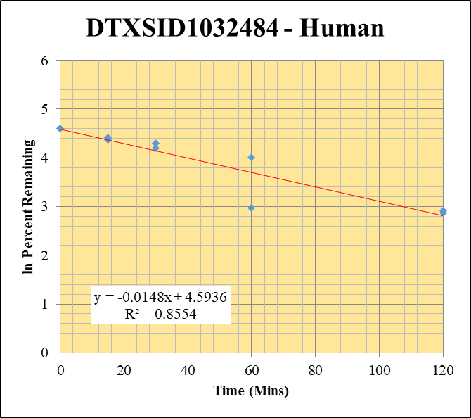
Blank_Human___1_____5P1_Inj 2020Sep4_EPA_003 | DTXSID1032484 | 467.0 / 404.9 | 90.06 | 1641000 | 0.00005486 |  |  |  | DTXSID1032484 - Human | Time (Mins) | % Remaining Replica 1 | % Remaining Replica 2 | % Remaining Replica 3 | Average
Blank_Human___2_____5P1_Inj 2020Sep4_EPA_004 | DTXSID1032484 | 467.0 / 404.9 | 116.2 | 1692000 | 0.00006867 |  |  |  | Time (Mins) | 120 | 18.4% | 17.7% | 49.44% | 18.0%
Blank_Human___3_____5P1_Inj 2020Sep4_EPA_005 | DTXSID1032484 | 467.0 / 404.9 | 8.825 | 1672000 | 0.000005278 |  |  |  | ln Percent Remaining | 60 | 55.4% | 19.6% | 152.66% | 37.5%
DTXSID1032484_Human__120_1_____5P1_Inj 2020Sep4_EPA_054 | DTXSID1032484 | 467.0 / 404.9 | 826400 | 1083000 | 0.763 | 18.380268749 | 120 | 2.9112777386 |  | 30 | 73.9% | 66.9% | 217.61% | 70%
DTXSID1032484_Human__120_2_____5P1_Inj 2020Sep4_EPA_055 | DTXSID1032484 | 467.0 / 404.9 | 757800 | 1099000 | 0.6895 | 17.664992279 | 120 | 2.8715848437 |  | 15 | 78.9% | 82.2% | 184.03% | 81%
DTXSID1032484_Human__120_3_____5P1_Inj 2020Sep4_EPA_056 | DTXSID1032484 | 467.0 / 404.9 | 769000 | 1150000 | 0.6685 | 49.443660734 | 120 | 3.901 |  | 0 | 100% | 100% | 100.00% | 100%
DTXSID1032484_Human__60_1_____5P2_Inj 2020Sep4_EPA_057 | DTXSID1032484 | 467.0 / 404.9 | 2568000 | 1118000 | 2.298 | 55.359692441 | 60 | 4.0138517557
DTXSID1032484_Human__60_2_____5P2_Inj 2020Sep4_EPA_058 | DTXSID1032484 | 467.0 / 404.9 | 1151000 | 1506000 | 0.7644 | 19.584050028 | 60 | 2.9747154609 |  | Slope | -0.0148
DTXSID1032484_Human__60_3_____5P2_Inj 2020Sep4_EPA_059 | DTXSID1032484 | 467.0 / 404.9 | 2417000 | 1171000 | 2.064 | 152.66439438 | 60 | 5.028 |  | Intercept | 4.59
DTXSID1032484_Human__30_1_____5P3_Inj 2020Sep4_EPA_060 | DTXSID1032484 | 467.0 / 404.9 | 3407000 | 1111000 | 3.068 | 73.909631362 | 30 | 4.3028431491 |  | R2 | 0.855
DTXSID1032484_Human__30_2_____5P3_Inj 2020Sep4_EPA_061 | DTXSID1032484 | 467.0 / 404.9 | 2613000 | 1001000 | 2.61 | 66.871272761 | 30 | 4.2027694692 |  | T½ (mins) | 46.8
DTXSID1032484_Human__30_3_____5P3_Inj 2020Sep4_EPA_062 | DTXSID1032484 | 467.0 / 404.9 | 2954000 | 1004000 | 2.942 | 217.6072852 | 30 | 5.383 |  | CLint (µl/min/106 cells) | 29.6
DTXSID1032484_Human__15_1_____5P4_Inj 2020Sep4_EPA_063 | DTXSID1032484 | 467.0 / 404.9 | 3327000 | 1016000 | 3.275 | 78.896433124 | 15 | 4.3681360193 |  | Comments | Points Deleted: (120,3.9010) (60,5.0280) (30,5.3830) (15,5.2150) (0,4.6050)
DTXSID1032484_Human__15_2_____5P4_Inj 2020Sep4_EPA_064 | DTXSID1032484 | 467.0 / 404.9 | 3504000 | 1092000 | 3.209 | 82.218610438 | 15 | 4.4093816808
DTXSID1032484_Human__15_3_____5P4_Inj 2020Sep4_EPA_065 | DTXSID1032484 | 467.0 / 404.9 | 3258000 | 1309000 | 2.488 | 184.0263371 | 15 | 5.215
DTXSID1032484_Human__0_1_____5P5_Inj 2020Sep4_EPA_066 | DTXSID1032484 | 467.0 / 404.9 | 4035000 | 972100 | 4.151 | 100 | 0 | 4.605170186
DTXSID1032484_Human__0_2_____5P5_Inj 2020Sep4_EPA_067 | DTXSID1032484 | 467.0 / 404.9 | 4029000 | 1032000 | 3.903 | 100 | 0 | 4.605170186
DTXSID1032484_Human__0_3_____5P5_Inj 2020Sep4_EPA_068 | DTXSID1032484 | 467.0 / 404.9 | 1927000 | 1425000 | 1.352 | 100 | 0 | 4.605

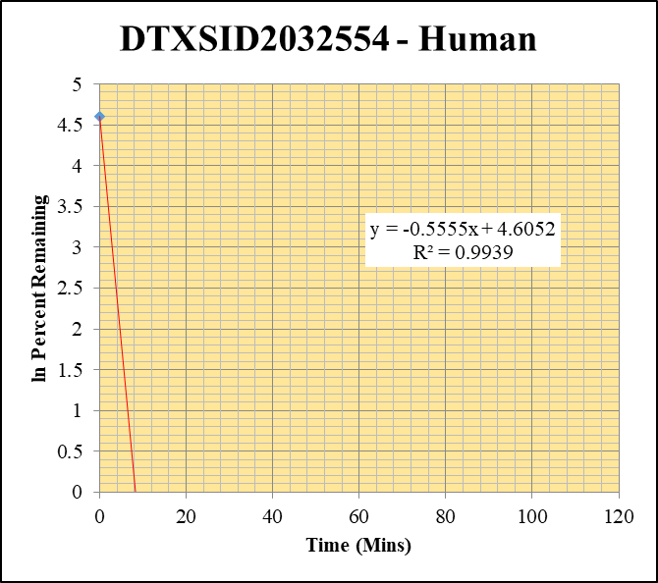
Blank_Human___1_____5P1_Inj 2020Sep4_EPA_003 | DTXSID2032554 | 424.1 / 308.0 | 8.625 | 1641000 | 0.000005255 |  |  |  | DTXSID2032554 - Human | Time (Mins) | % Remaining Replica 1 | % Remaining Replica 2 | % Remaining Replica 3 | Average
Blank_Human___2_____5P1_Inj 2020Sep4_EPA_004 | DTXSID2032554 | 424.1 / 308.0 | 17.7 | 1692000 | 0.00001046 |  |  |  | Time (Mins) | 120 | 0.00% | 0.00% | 0.00%
Blank_Human___3_____5P1_Inj 2020Sep4_EPA_005 | DTXSID2032554 | 424.1 / 308.0 | 9.672 | 1672000 | 0.000005785 |  |  |  | ln Percent Remaining | 60 | 0.00% | 0.00% | 0.00%
DTXSID2032554_Human__120_1_____5P1_Inj 2020Sep4_EPA_150 | DTXSID2032554 | 424.1 / 308.0 | 82.59 | 1189000 | 0.00006947 | 0.0021937848787 | 120 | -6.122 |  | 30 | 0.00% | 0.00% | 0.00%
DTXSID2032554_Human__120_2_____5P1_Inj 2020Sep4_EPA_151 | DTXSID2032554 | 424.1 / 308.0 | 37.12 | 1299000 | 0.00002857 | 0.00068776936451 | 120 | -7.282 |  | 15 | 0.0126% | 0.0361% | 0.0305% | 0.0264%
DTXSID2032554_Human__120_3_____5P1_Inj 2020Sep4_EPA_152 | DTXSID2032554 | 424.1 / 308.0 | 136 | 1412000 | 0.00009637 | 0.0027928470096 | 120 | -5.881 |  | 0 | 100% | 100% | 100% | 100%
DTXSID2032554_Human__60_1_____5P2_Inj 2020Sep4_EPA_153 | DTXSID2032554 | 424.1 / 308.0 | 33.65 | 1268000 | 0.00002654 | 0.00068216134583 | 60 | -7.290
DTXSID2032554_Human__60_2_____5P2_Inj 2020Sep4_EPA_154 | DTXSID2032554 | 424.1 / 308.0 | 37.19 | 1135000 | 0.00003276 | 0.0008224097774 | 60 | -7.103 |  | Slope | -0.5555
DTXSID2032554_Human__60_3_____5P2_Inj 2020Sep4_EPA_155 | DTXSID2032554 | 424.1 / 308.0 | 54.42 | 1521000 | 0.00003578 | 0.00089584838872 | 60 | -7.018 |  | Intercept | 4.605
DTXSID2032554_Human__30_1_____5P3_Inj 2020Sep4_EPA_156 | DTXSID2032554 | 424.1 / 308.0 | 59.92 | 1224000 | 0.00004893 | 0.001470543617 | 30 | -6.522 |  | R2 | 0.994
DTXSID2032554_Human__30_2_____5P3_Inj 2020Sep4_EPA_157 | DTXSID2032554 | 424.1 / 308.0 | 73.28 | 1205000 | 0.00006082 | 0.001724082805 | 30 | -6.363 |  | T½ (mins) | 1.2
DTXSID2032554_Human__30_3_____5P3_Inj 2020Sep4_EPA_158 | DTXSID2032554 | 424.1 / 308.0 | 92.86 | 1209000 | 0.00007682 | 0.0021807604766 | 30 | -6.128 |  | CLint (µl/min/106 cells) | 1111
DTXSID2032554_Human__15_1_____5P4_Inj 2020Sep4_EPA_159 | DTXSID2032554 | 424.1 / 308.0 | 468.9 | 1282000 | 0.0003657 | 0.012624445003 | 15 | -4.3721202649 |  | Comments | Points Deleted: (120,-6.1220) (120,-7.2820) (120,-5.8810) (60,-7.2900) (60,-7.1030) (60,-7.0180) (30,-6.5220) (30,-6.3630) (30,-6.1280)
DTXSID2032554_Human__15_2_____5P4_Inj 2020Sep4_EPA_160 | DTXSID2032554 | 424.1 / 308.0 | 1423 | 1258000 | 0.001131 | 0.03611297948 | 15 | -3.3211029359
DTXSID2032554_Human__15_3_____5P4_Inj 2020Sep4_EPA_161 | DTXSID2032554 | 424.1 / 308.0 | 1282 | 1304000 | 0.0009829 | 0.030549014486 | 15 | -3.4884228529
DTXSID2032554_Human__0_1_____5P5_Inj 2020Sep4_EPA_162 | DTXSID2032554 | 424.1 / 308.0 | 3445000 | 1213000 | 2.84 | 100 | 0 | 4.605170186
DTXSID2032554_Human__0_2_____5P5_Inj 2020Sep4_EPA_163 | DTXSID2032554 | 424.1 / 308.0 | 3808000 | 1224000 | 3.112 | 100 | 0 | 4.605170186
DTXSID2032554_Human__0_3_____5P5_Inj 2020Sep4_EPA_164 | DTXSID2032554 | 424.1 / 308.0 | 3893000 | 1219000 | 3.194 | 100 | 0 | 4.605170186


Blank_Human___1_____5P1_Inj 2020Sep4_EPA_003 | DTXSID3028005 | 199.1 / 171.2 | 83.51 | 1641000 | 0.00005087 |  |  |  | DTXSID3028005 - Human | Time (Mins) | % Remaining Replica 1 | % Remaining Replica 2 | % Remaining Replica 3 | Average
Blank_Human___2_____5P1_Inj 2020Sep4_EPA_004 | DTXSID3028005 | 199.1 / 171.2 | 210.2 | 1692000 | 0.0001243 |  |  |  | Time (Mins) | 120 | -0.02% | 0.00% | 0.01%
Blank_Human___3_____5P1_Inj 2020Sep4_EPA_005 | DTXSID3028005 | 199.1 / 171.2 | 64.57 | 1672000 | 0.00003862 |  |  |  | ln Percent Remaining | 60 | 0.02% | -0.01% | 0.01%
DTXSID3028005_Human__120_1_____5P1_Inj 2020Sep4_EPA_310 | DTXSID3028005 | 199.1 / 171.2 | 49.1 | 1396000 | 0.00003517 | -0.017160438419 | 120 |  |  | 30 | 0.03% | -0.01% | 0.02%
DTXSID3028005_Human__120_2_____5P1_Inj 2020Sep4_EPA_311 | DTXSID3028005 | 199.1 / 171.2 | 110 | 1260000 | 0.00008725 | 0.0041114930969 | 120 | -5.494 |  | 15 | 0.133% | 0.161% | 0.0866% | 0.127%
DTXSID3028005_Human__120_3_____5P1_Inj 2020Sep4_EPA_312 | DTXSID3028005 | 199.1 / 171.2 | 104.1 | 1099000 | 0.00009468 | 0.01055619169 | 120 | -4.551 |  | 0 | 100% | 100% | 100% | 100%
DTXSID3028005_Human__60_1_____5P2_Inj 2020Sep4_EPA_313 | DTXSID3028005 | 199.1 / 171.2 | 161.9 | 1373000 | 0.0001179 | 0.022173226258 | 60 | -3.809
DTXSID3028005_Human__60_2_____5P2_Inj 2020Sep4_EPA_314 | DTXSID3028005 | 199.1 / 171.2 | 70.93 | 1394000 | 0.00005088 | -0.005242239426 | 60 |  |  | Slope | -0.4469
DTXSID3028005_Human__60_3_____5P2_Inj 2020Sep4_EPA_315 | DTXSID3028005 | 199.1 / 171.2 | 131.7 | 1390000 | 0.00009476 | 0.010592255548 | 60 | -4.548 |  | Intercept | 4.605
DTXSID3028005_Human__30_1_____5P3_Inj 2020Sep4_EPA_316 | DTXSID3028005 | 199.1 / 171.2 | 183.5 | 1400000 | 0.0001311 | 0.028449116186 | 30 | -3.560 |  | R2 | 0.997
DTXSID3028005_Human__30_2_____5P3_Inj 2020Sep4_EPA_317 | DTXSID3028005 | 199.1 / 171.2 | 43.25 | 1172000 | 0.00003691 | -0.0088350808708 | 30 |  |  | T½ (mins) | 1.6
DTXSID3028005_Human__30_3_____5P3_Inj 2020Sep4_EPA_318 | DTXSID3028005 | 199.1 / 171.2 | 165.5 | 1321000 | 0.0001253 | 0.024359633237 | 30 | -3.715 |  | CLint (µl/min/106 cells) | 894
DTXSID3028005_Human__15_1_____5P4_Inj 2020Sep4_EPA_319 | DTXSID3028005 | 199.1 / 171.2 | 499.8 | 1426000 | 0.0003503 | 0.13266692469 | 15 | -2.0199136175 |  | Comments | Points Deleted: (120,) (120,-5.4940) (120,-4.5510) (60,-3.8090) (60,) (60,-4.5480) (30,-3.5600) (30,) (30,-3.7150)
DTXSID3028005_Human__15_2_____5P4_Inj 2020Sep4_EPA_320 | DTXSID3028005 | 199.1 / 171.2 | 983.5 | 1411000 | 0.0006968 | 0.16087716974 | 15 | -1.8271141261
DTXSID3028005_Human__15_3_____5P4_Inj 2020Sep4_EPA_321 | DTXSID3028005 | 199.1 / 171.2 | 376.8 | 1431000 | 0.0002633 | 0.086569787825 | 15 | -2.4468043947
DTXSID3028005_Human__0_1_____5P5_Inj 2020Sep4_EPA_322 | DTXSID3028005 | 199.1 / 171.2 | 314800 | 1496000 | 0.2104 | 100 | 0 | 4.605170186
DTXSID3028005_Human__0_2_____5P5_Inj 2020Sep4_EPA_323 | DTXSID3028005 | 199.1 / 171.2 | 493500 | 1269000 | 0.3889 | 100 | 0 | 4.605170186
DTXSID3028005_Human__0_3_____5P5_Inj 2020Sep4_EPA_324 | DTXSID3028005 | 199.1 / 171.2 | 333500 | 1503000 | 0.2219 | 100 | 0 | 4.605170186
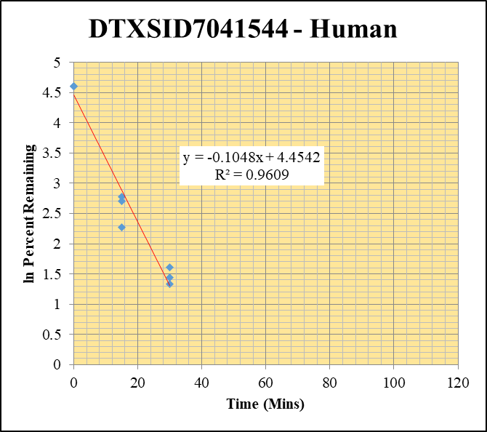
Blank_Human___1_____5P1_Inj 2020Sep4_EPA_003 | DTXSID7041544 | 259.1 / 175.2 | 1408 | 1641000 | 0.0008576 |  |  |  | DTXSID7041544 - Human | Time (Mins) | % Remaining Replica 1 | % Remaining Replica 2 | % Remaining Replica 3 | Average
Blank_Human___2_____5P1_Inj 2020Sep4_EPA_004 | DTXSID7041544 | 259.1 / 175.2 | 1787 | 1692000 | 0.001056 |  |  |  | Time (Mins) | 120 | 0.58% | 0.48% | 0.52%
Blank_Human___3_____5P1_Inj 2020Sep4_EPA_005 | DTXSID7041544 | 259.1 / 175.2 | 2639 | 1672000 | 0.001579 |  |  |  | ln Percent Remaining | 60 | 1.58% | 1.15% | 1.14%
DTXSID7041544_Human__120_1_____5P1_Inj 2020Sep4_EPA_374 | DTXSID7041544 | 259.1 / 175.2 | 18030 | 1326000 | 0.0136 | 0.57764739884 | 120 | -0.549 |  | 30 | 5.02% | 4.24% | 3.77% | 4.34%
DTXSID7041544_Human__120_2_____5P1_Inj 2020Sep4_EPA_375 | DTXSID7041544 | 259.1 / 175.2 | 8655 | 1231000 | 0.007028 | 0.47602123595 | 120 | -0.742 |  | 15 | 9.64% | 16.1% | 14.9% | 13.5%
DTXSID7041544_Human__120_3_____5P1_Inj 2020Sep4_EPA_376 | DTXSID7041544 | 259.1 / 175.2 | 9894 | 1194000 | 0.008286 | 0.52142431762 | 120 | -0.651 |  | 0 | 100% | 100% | 100% | 100%
DTXSID7041544_Human__60_1_____5P2_Inj 2020Sep4_EPA_377 | DTXSID7041544 | 259.1 / 175.2 | 48400 | 1375000 | 0.03521 | 1.5814396992 | 60 | 0.458
DTXSID7041544_Human__60_2_____5P2_Inj 2020Sep4_EPA_378 | DTXSID7041544 | 259.1 / 175.2 | 23970 | 1565000 | 0.01532 | 1.1491628998 | 60 | 0.139 |  | Slope | -0.1048
DTXSID7041544_Human__60_3_____5P2_Inj 2020Sep4_EPA_379 | DTXSID7041544 | 259.1 / 175.2 | 22200 | 1325000 | 0.01675 | 1.1411181344 | 60 | 0.132 |  | Intercept | 4.45
DTXSID7041544_Human__30_1_____5P3_Inj 2020Sep4_EPA_380 | DTXSID7041544 | 259.1 / 175.2 | 146600 | 1342000 | 0.1092 | 5.0183019067 | 30 | 1.6130916109 |  | R2 | 0.961
DTXSID7041544_Human__30_2_____5P3_Inj 2020Sep4_EPA_381 | DTXSID7041544 | 259.1 / 175.2 | 72450 | 1357000 | 0.05339 | 4.2396722031 | 30 | 1.4444859557 |  | T½ (mins) | 6.6
DTXSID7041544_Human__30_3_____5P3_Inj 2020Sep4_EPA_382 | DTXSID7041544 | 259.1 / 175.2 | 67180 | 1275000 | 0.05268 | 3.7717418155 | 30 | 1.3275369148 |  | CLint (µl/min/106 cells) | 209.6
DTXSID7041544_Human__15_1_____5P4_Inj 2020Sep4_EPA_383 | DTXSID7041544 | 259.1 / 175.2 | 327700 | 1571000 | 0.2086 | 9.6354677863 | 15 | 2.2654508514 |  | Comments | Points Deleted: (120,-0.5490) (120,-0.7420) (120,-0.6510) (60,0.4580) (60,0.1390) (60,0.1320)
DTXSID7041544_Human__15_2_____5P4_Inj 2020Sep4_EPA_384 | DTXSID7041544 | 259.1 / 175.2 | 268300 | 1347000 | 0.1992 | 16.076477076 | 15 | 2.7773571524
DTXSID7041544_Human__15_3_____5P4_Inj 2020Sep4_EPA_385 | DTXSID7041544 | 259.1 / 175.2 | 283200 | 1387000 | 0.2042 | 14.865315435 | 15 | 2.6990306762
DTXSID7041544_Human__0_1_____5P5_Inj 2020Sep4_EPA_386 | DTXSID7041544 | 259.1 / 175.2 | 2770000 | 1286000 | 2.154 | 100 | 0 | 4.605170186
DTXSID7041544_Human__0_2_____5P5_Inj 2020Sep4_EPA_387 | DTXSID7041544 | 259.1 / 175.2 | 1458000 | 1182000 | 1.233 | 100 | 0 | 4.605170186
DTXSID7041544_Human__0_3_____5P5_Inj 2020Sep4_EPA_388 | DTXSID7041544 | 259.1 / 175.2 | 2019000 | 1477000 | 1.367 | 100 | 0 | 4.605170186

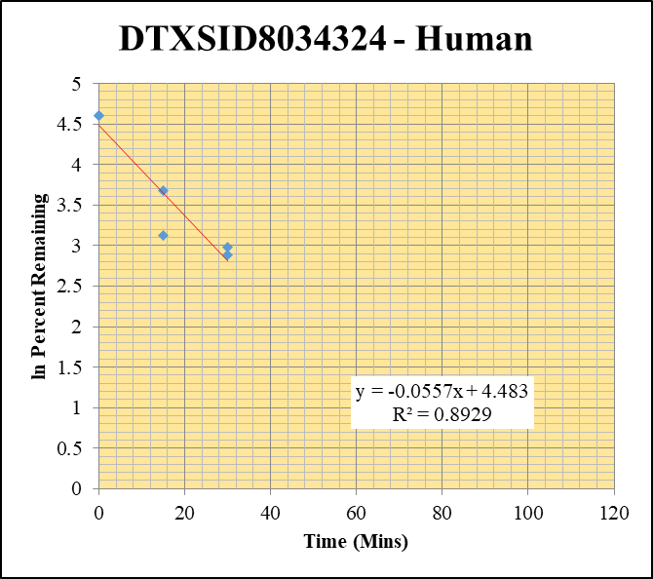
Blank_Human___1_____5P1_Inj 2020Sep4_EPA_003 | DTXSID8034324 | 299.1 / 129.0 | 17.38 | 1641000 | 0.00001059 |  |  |  | DTXSID8034324 - Human | Time (Mins) | % Remaining Replica 1 | % Remaining Replica 2 | % Remaining Replica 3 | Average
Blank_Human___2_____5P1_Inj 2020Sep4_EPA_004 | DTXSID8034324 | 299.1 / 129.0 | 26.66 | 1692000 | 0.00001576 |  |  |  | Time (Mins) | 120 | 4.74% | 15.77% | 5.25%
Blank_Human___3_____5P1_Inj 2020Sep4_EPA_005 | DTXSID8034324 | 299.1 / 129.0 | 88.84 | 1672000 | 0.00005314 |  |  |  | ln Percent Remaining | 60 | 12.13% | 35.59% | 11.62%
DTXSID8034324_Human__120_1_____5P1_Inj 2020Sep4_EPA_086 | DTXSID8034324 | 299.1 / 129.0 | 72660 | 1169000 | 0.06216 | 4.7394934509 | 120 | 1.556 |  | 30 | 17.9% | 64.95% | 19.7% | 18.8%
DTXSID8034324_Human__120_2_____5P1_Inj 2020Sep4_EPA_087 | DTXSID8034324 | 299.1 / 129.0 | 78130 | 1233000 | 0.06338 | 15.772387974 | 120 | 2.758 |  | 15 | 22.9% | 118.25% | 39.6% | 31.2%
DTXSID8034324_Human__120_3_____5P1_Inj 2020Sep4_EPA_088 | DTXSID8034324 | 299.1 / 129.0 | 85240 | 1209000 | 0.07052 | 5.2529728164 | 120 | 1.659 |  | 0 | 100% | 100.00% | 100% | 100%
DTXSID8034324_Human__60_1_____5P2_Inj 2020Sep4_EPA_089 | DTXSID8034324 | 299.1 / 129.0 | 199200 | 1253000 | 0.159 | 12.126370436 | 60 | 2.495
DTXSID8034324_Human__60_2_____5P2_Inj 2020Sep4_EPA_090 | DTXSID8034324 | 299.1 / 129.0 | 179600 | 1256000 | 0.143 | 35.594457226 | 60 | 3.572 |  | Slope | -0.0557
DTXSID8034324_Human__60_3_____5P2_Inj 2020Sep4_EPA_091 | DTXSID8034324 | 299.1 / 129.0 | 198900 | 1275000 | 0.156 | 11.622696197 | 60 | 2.453 |  | Intercept | 4.48
DTXSID8034324_Human__30_1_____5P3_Inj 2020Sep4_EPA_092 | DTXSID8034324 | 299.1 / 129.0 | 276900 | 1178000 | 0.2352 | 17.938844892 | 30 | 2.8869684672 |  | R2 | 0.893
DTXSID8034324_Human__30_2_____5P3_Inj 2020Sep4_EPA_093 | DTXSID8034324 | 299.1 / 129.0 | 297800 | 1142000 | 0.2609 | 64.946654725 | 30 | 4.174 |  | T½ (mins) | 12.4
DTXSID8034324_Human__30_3_____5P3_Inj 2020Sep4_EPA_094 | DTXSID8034324 | 299.1 / 129.0 | 306700 | 1157000 | 0.265 | 19.745062229 | 30 | 2.9829034464 |  | CLint (µl/min/106 cells) | 111.3
DTXSID8034324_Human__15_1_____5P4_Inj 2020Sep4_EPA_095 | DTXSID8034324 | 299.1 / 129.0 | 427700 | 1428000 | 0.2996 | 22.851224878 | 15 | 3.1290047211 |  | Comments | Points Deleted: (120,1.5560) (120,2.7580) (120,1.6590) (60,2.4950) (60,3.5720) (60,2.4530) (30,4.1740) (15,4.7730) (0,4.6050)
DTXSID8034324_Human__15_2_____5P4_Inj 2020Sep4_EPA_096 | DTXSID8034324 | 299.1 / 129.0 | 569300 | 1198000 | 0.475 | 118.24865205 | 15 | 4.773
DTXSID8034324_Human__15_3_____5P4_Inj 2020Sep4_EPA_097 | DTXSID8034324 | 299.1 / 129.0 | 703400 | 1324000 | 0.5312 | 39.581519457 | 15 | 3.678362329
DTXSID8034324_Human__0_1_____5P5_Inj 2020Sep4_EPA_098 | DTXSID8034324 | 299.1 / 129.0 | 1308000 | 997300 | 1.311 | 100 | 0 | 4.605170186
DTXSID8034324_Human__0_2_____5P5_Inj 2020Sep4_EPA_099 | DTXSID8034324 | 299.1 / 129.0 | 516100 | 1285000 | 0.4017 | 100 | 0 | 4.605
DTXSID8034324_Human__0_3_____5P5_Inj 2020Sep4_EPA_100 | DTXSID8034324 | 299.1 / 129.0 | 1344000 | 1001000 | 1.342 | 100 | 0 | 4.605170186

10 uM control
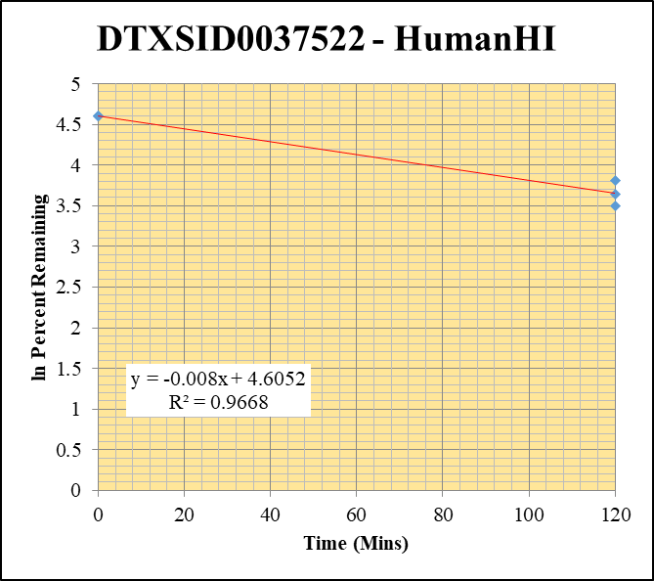
SampleName | CompoundName | Transition | Area | ISTD Area | ISTDResponseRatio | % Remaining | Time (mins) | ln % Remaining | Chart | Table
Blank_HumanHI___1_____XP61_Inj 003 | DTXSID0037522 | 393.9 / 208.0 | 8.978 | 1595000 | 0.000005629 |  |  |  | DTXSID0037522 - HumanHI | Time (Mins) | % Remaining Replica 1 | % Remaining Replica 2 | % Remaining Replica 3 | Average
Blank_HumanHI___2_____XP61_Inj 004 | DTXSID0037522 | 393.9 / 208.0 | 7.664 | 1849000 | 0.000004145 |  |  |  | Time (Mins) | 120 | 38.1% | 45.1% | 33.2% | 38.8%
Blank_HumanHI___3_____XP61_Inj 005 | DTXSID0037522 | 393.9 / 208.0 | 5.417 | 1853000 | 0.000002924 |  |  |  | ln Percent Remaining | 0 | 100% | 100% | 100% | 100%
DTXSID0037522_HumanHI__120_1_____XP61_Inj 050 | DTXSID0037522 | 393.9 / 208.0 | 976200 | 2260000 | 0.432 | 38.061443026 | 120 | 3.6392017757
DTXSID0037522_HumanHI__120_2_____XP61_Inj 051 | DTXSID0037522 | 393.9 / 208.0 | 915900 | 2209000 | 0.4146 | 45.074763557 | 120 | 3.8083225235 |  | Slope | -0.00796
DTXSID0037522_HumanHI__120_3_____XP61_Inj 052 | DTXSID0037522 | 393.9 / 208.0 | 1228000 | 2172000 | 0.5654 | 33.200068854 | 120 | 3.5025519498 |  | Intercept | 4.61
DTXSID0037522_HumanHI__0_1_____XP61_Inj 050 | DTXSID0037522 | 393.9 / 208.0 | 1399000 | 1232000 | 1.135 | 100 | 0 | 4.605170186 |  | R2 | 0.967
DTXSID0037522_HumanHI__0_2_____XP61_Inj 051 | DTXSID0037522 | 393.9 / 208.0 | 1171000 | 1273000 | 0.9198 | 100 | 0 | 4.605170186 |  | T½ (mins) | 87.1
DTXSID0037522_HumanHI__0_3_____XP61_Inj 052 | DTXSID0037522 | 393.9 / 208.0 | 2104000 | 1236000 | 1.703 | 100 | 0 | 4.605170186 |  | CLint (µl/min/106 cells) | 15.9
 |  |  |  |  |  |  |  |  |  | Comments

DTXSID1032484 - HumanHI
120 | 4.0912882228
120 | 4.1374696313
120 | 5.1575753033
0 | 4.605170186
0 | 4.605170186
0 | 4.605170186
Blank_HumanHI___1_____XP61_Inj 003 | DTXSID1032484 | 467.0 / 404.9 | 2.507 | 1595000 | 0.000001572 |  |  |  | DTXSID1032484 - HumanHI | Time (Mins) | % Remaining Replica 1 | % Remaining Replica 2 | % Remaining Replica 3 | Average
Blank_HumanHI___2_____XP61_Inj 004 | DTXSID1032484 | 467.0 / 404.9 | 1.236 | 1849000 | 6.682E-07 |  |  |  | Time (Mins) | 120 | 59.8% | 62.6% | 174% | 98.7%
Blank_HumanHI___3_____XP61_Inj 005 | DTXSID1032484 | 467.0 / 404.9 | 2.742 | 1853000 | 0.00000148 |  |  |  | ln Percent Remaining | 0 | 100% | 100% | 100% | 100%
DTXSID1032484_HumanHI__120_1_____XP61_Inj 018 | DTXSID1032484 | 467.0 / 404.9 | 5777000 | 2327000 | 2.483 | 59.816899583 | 120 | 4.0912882228
DTXSID1032484_HumanHI__120_2_____XP61_Inj 019 | DTXSID1032484 | 467.0 / 404.9 | 5667000 | 2318000 | 2.445 | 62.644108039 | 120 | 4.1374696313 |  | Slope | -0.00119
DTXSID1032484_HumanHI__120_3_____XP61_Inj 020 | DTXSID1032484 | 467.0 / 404.9 | 5296000 | 2254000 | 2.349 | 173.74267119 | 120 | 5.1575753033 |  | Intercept | 4.61
DTXSID1032484_HumanHI__0_1_____XP61_Inj 018 | DTXSID1032484 | 467.0 / 404.9 | 4035000 | 972100 | 4.151 | 100 | 0 | 4.605170186 |  | R2 | 0.0405
DTXSID1032484_HumanHI__0_2_____XP61_Inj 019 | DTXSID1032484 | 467.0 / 404.9 | 4029000 | 1032000 | 3.903 | 100 | 0 | 4.605170186 |  | T½ (mins) | 581
DTXSID1032484_HumanHI__0_3_____XP61_Inj 020 | DTXSID1032484 | 467.0 / 404.9 | 1927000 | 1425000 | 1.352 | 100 | 0 | 4.605170186 |  | CLint (µl/min/106 cells) | 2.38
 |  |  |  |  |  |  |  |  |  | Comments

DTXSID2032554 - HumanHI
120 | 3.3872368677
120 | 3.2818720951
120 | 3.3346257988
0 | 4.605170186
0 | 4.605170186
0 | 4.605170186
Blank_HumanHI___1_____XP61_Inj 003 | DTXSID2032554 | 424.1 / 308.0 | 38.82 | 1595000 | 0.00002434 |  |  |  | DTXSID2032554 - HumanHI | Time (Mins) | % Remaining Replica 1 | % Remaining Replica 2 | % Remaining Replica 3 | Average
Blank_HumanHI___2_____XP61_Inj 004 | DTXSID2032554 | 424.1 / 308.0 | 26.26 | 1849000 | 0.0000142 |  |  |  | Time (Mins) | 120 | 29.6% | 26.6% | 28.1% | 28.1%
Blank_HumanHI___3_____XP61_Inj 005 | DTXSID2032554 | 424.1 / 308.0 | 21.08 | 1853000 | 0.00001138 |  |  |  | ln Percent Remaining | 0 | 100% | 100% | 100% | 100%
DTXSID2032554_HumanHI__120_1_____XP61_Inj 042 | DTXSID2032554 | 424.1 / 308.0 | 1797000 | 2139000 | 0.8402 | 29.584094465 | 120 | 3.3872368677
DTXSID2032554_HumanHI__120_2_____XP61_Inj 043 | DTXSID2032554 | 424.1 / 308.0 | 1830000 | 2209000 | 0.8286 | 26.625571674 | 120 | 3.2818720951 |  | Slope | -0.0106
DTXSID2032554_HumanHI__120_3_____XP61_Inj 044 | DTXSID2032554 | 424.1 / 308.0 | 1974000 | 2202000 | 0.8965 | 28.067878225 | 120 | 3.3346257988 |  | Intercept | 4.61
DTXSID2032554_HumanHI__0_1_____XP61_Inj 042 | DTXSID2032554 | 424.1 / 308.0 | 3445000 | 1213000 | 2.84 | 100 | 0 | 4.605170186 |  | R2 | 0.998
DTXSID2032554_HumanHI__0_2_____XP61_Inj 043 | DTXSID2032554 | 424.1 / 308.0 | 3808000 | 1224000 | 3.112 | 100 | 0 | 4.605170186 |  | T½ (mins) | 65.5
DTXSID2032554_HumanHI__0_3_____XP61_Inj 044 | DTXSID2032554 | 424.1 / 308.0 | 3893000 | 1219000 | 3.194 | 100 | 0 | 4.605170186 |  | CLint (µl/min/106 cells) | 21.2
 |  |  |  |  |  |  |  |  |  | Comments

DTXSID3028005 - HumanHI
120 | 4.0636793558
120 | 3.3978367971
120 | 3.9618454413
0 | 4.605170186
0 | 4.605170186
0 | 4.605170186
Blank_HumanHI___1_____XP61_Inj 003 | DTXSID3028005 | 199.1 / 171.2 | 727.1 | 1595000 | 0.0004559 |  |  |  | DTXSID3028005 - HumanHI | Time (Mins) | % Remaining Replica 1 | % Remaining Replica 2 | % Remaining Replica 3 | Average
Blank_HumanHI___2_____XP61_Inj 004 | DTXSID3028005 | 199.1 / 171.2 | 60.61 | 1849000 | 0.00003278 |  |  |  | Time (Mins) | 120 | 58.2% | 29.9% | 52.6% | 46.9%
Blank_HumanHI___3_____XP61_Inj 005 | DTXSID3028005 | 199.1 / 171.2 | 57.34 | 1853000 | 0.00003095 |  |  |  | ln Percent Remaining | 0 | 100% | 100% | 100% | 100%
DTXSID3028005_HumanHI__120_1_____XP61_Inj 082 | DTXSID3028005 | 199.1 / 171.2 | 290600 | 2371000 | 0.1225 | 58.188012099 | 120 | 4.0636793558
DTXSID3028005_HumanHI__120_2_____XP61_Inj 083 | DTXSID3028005 | 199.1 / 171.2 | 266400 | 2289000 | 0.1164 | 29.899351676 | 120 | 3.3978367971 |  | Slope | -0.00664
DTXSID3028005_HumanHI__120_3_____XP61_Inj 084 | DTXSID3028005 | 199.1 / 171.2 | 288200 | 2470000 | 0.1167 | 52.554222248 | 120 | 3.9618454413 |  | Intercept | 4.61
DTXSID3028005_HumanHI__0_1_____XP61_Inj 082 | DTXSID3028005 | 199.1 / 171.2 | 314800 | 1496000 | 0.2104 | 100 | 0 | 4.605170186 |  | R2 | 0.788
DTXSID3028005_HumanHI__0_2_____XP61_Inj 083 | DTXSID3028005 | 199.1 / 171.2 | 493500 | 1269000 | 0.3889 | 100 | 0 | 4.605170186 |  | T½ (mins) | 104
DTXSID3028005_HumanHI__0_3_____XP61_Inj 084 | DTXSID3028005 | 199.1 / 171.2 | 333500 | 1503000 | 0.2219 | 100 | 0 | 4.605170186 |  | CLint (µl/min/106 cells) | 13.3
 |  |  |  |  |  |  |  |  |  | Comments

DTXSID7041544 - HumanHI
120 | 1.3473208546
120 | 1.8094399625
120 | 1.6277769999
0 | 4.605170186
0 | 4.605170186
0 | 4.605170186
Blank_HumanHI___1_____XP61_Inj 003 | DTXSID7041544 | 259.1 / 175.2 | 40050 | 1595000 | 0.02511 |  |  |  | DTXSID7041544 - HumanHI | Time (Mins) | % Remaining Replica 1 | % Remaining Replica 2 | % Remaining Replica 3 | Average
Blank_HumanHI___2_____XP61_Inj 004 | DTXSID7041544 | 259.1 / 175.2 | 6037 | 1849000 | 0.003265 |  |  |  | Time (Mins) | 120 | 3.85% | 6.11% | 5.09% | 5.02%
Blank_HumanHI___3_____XP61_Inj 005 | DTXSID7041544 | 259.1 / 175.2 | 4733 | 1853000 | 0.002555 |  |  |  | ln Percent Remaining | 0 | 100% | 100% | 100% | 100%
DTXSID7041544_HumanHI__120_1_____XP61_Inj 098 | DTXSID7041544 | 259.1 / 175.2 | 231300 | 2493000 | 0.09278 | 3.8471047586 | 120 | 1.3473208546
DTXSID7041544_HumanHI__120_2_____XP61_Inj 099 | DTXSID7041544 | 259.1 / 175.2 | 204100 | 2401000 | 0.08498 | 6.1070263108 | 120 | 1.8094399625 |  | Slope | -0.0251
DTXSID7041544_HumanHI__120_3_____XP61_Inj 100 | DTXSID7041544 | 259.1 / 175.2 | 223100 | 2809000 | 0.0794 | 5.0925414059 | 120 | 1.6277769999 |  | Intercept | 4.61
DTXSID7041544_HumanHI__0_1_____XP61_Inj 098 | DTXSID7041544 | 259.1 / 175.2 | 2770000 | 1286000 | 2.154 | 100 | 0 | 4.605170186 |  | R2 | 0.992
DTXSID7041544_HumanHI__0_2_____XP61_Inj 099 | DTXSID7041544 | 259.1 / 175.2 | 1458000 | 1182000 | 1.233 | 100 | 0 | 4.605170186 |  | T½ (mins) | 27.6
DTXSID7041544_HumanHI__0_3_____XP61_Inj 100 | DTXSID7041544 | 259.1 / 175.2 | 2019000 | 1477000 | 1.367 | 100 | 0 | 4.605170186 |  | CLint (µl/min/106 cells) | 50.2
 |  |  |  |  |  |  |  |  |  | Comments

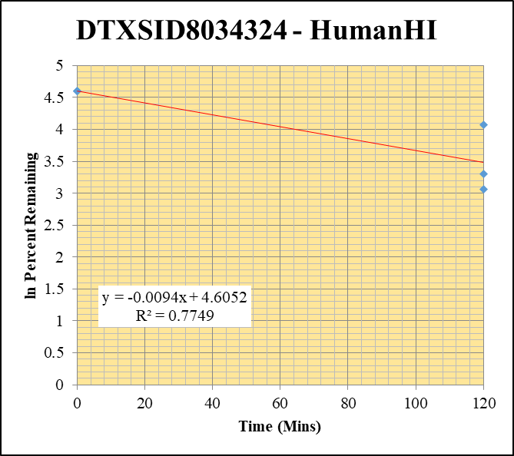
Blank_HumanHI___1_____XP61_Inj 003 | DTXSID8034324 | 299.1 / 129.0 | 2591 | 1595000 | 0.001624 |  |  |  | DTXSID8034324 - HumanHI | Time (Mins) | % Remaining Replica 1 | % Remaining Replica 2 | % Remaining Replica 3 | Average
Blank_HumanHI___2_____XP61_Inj 004 | DTXSID8034324 | 299.1 / 129.0 | 124 | 1849000 | 0.00006704 |  |  |  | Time (Mins) | 120 | 21.3% | 58.4% | 27.3% | 35.7%
Blank_HumanHI___3_____XP61_Inj 005 | DTXSID8034324 | 299.1 / 129.0 | 16.5 | 1853000 | 0.000008903 |  |  |  | ln Percent Remaining | 0 | 100% | 100% | 100% | 100%
DTXSID8034324_HumanHI__120_1_____XP61_Inj 026 | DTXSID8034324 | 299.1 / 129.0 | 599500 | 2145000 | 0.2795 | 21.285580975 | 120 | 3.0580298939
DTXSID8034324_HumanHI__120_2_____XP61_Inj 027 | DTXSID8034324 | 299.1 / 129.0 | 531100 | 2260000 | 0.235 | 58.442747523 | 120 | 4.0680476002 |  | Slope | -0.00940
DTXSID8034324_HumanHI__120_3_____XP61_Inj 028 | DTXSID8034324 | 299.1 / 129.0 | 838800 | 2286000 | 0.3669 | 27.309098264 | 120 | 3.3072199164 |  | Intercept | 4.61
DTXSID8034324_HumanHI__0_1_____XP61_Inj 026 | DTXSID8034324 | 299.1 / 129.0 | 1308000 | 997300 | 1.311 | 100 | 0 | 4.605170186 |  | R2 | 0.775
DTXSID8034324_HumanHI__0_2_____XP61_Inj 027 | DTXSID8034324 | 299.1 / 129.0 | 516100 | 1285000 | 0.4017 | 100 | 0 | 4.605170186 |  | T½ (mins) | 73.8
DTXSID8034324_HumanHI__0_3_____XP61_Inj 028 | DTXSID8034324 | 299.1 / 129.0 | 1344000 | 1001000 | 1.342 | 100 | 0 | 4.605170186 |  | CLint (µl/min/106 cells) | 18.8
 |  |  |  |  |  |  |  |  |  | Comments

